C.tower parts
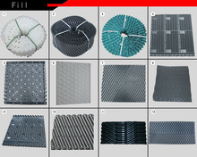
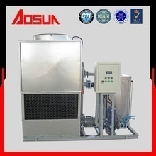
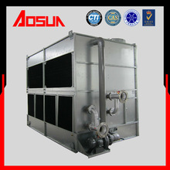
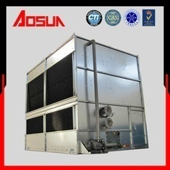
DATE :28.7.26
ITEM CODE | Name | Model | Spec | unit | (RM) | Picture
CTP001 | ABS Sprinkler head | 8T-10T | 1.5"(4 Blades) | PC | 46.2
CTP002 |  | 15T-20T | 2"(4 Blades) | PC | 55.4
CTP003 |  | 15T-20T | 2"(6 Blades) | PC | 64.7
CTP004 |  | Liang Chi | 2.5"(4 Blades) | PC | 95.0
CTP005 |  | 25T-50T | 3"(4 Blades) | PC | 73.9
CTP006 |  | 25T-50T | 3"(6 Blades) | PC | 83.1
CTP007 |  | 60T-80T | 4"(4 Blades) | PC | 154.0
CTP008 |  | 60T-80T | 4"(6 Blades) | PC | 166.3
CTP009 |  | 100T-125T5"4吼 | 5"(4 Blades) | PC | 278.7
CTP010 | Standard ABS fan | 8T | 55CM(Dia) | PC | 105.6
CTP011 |  | 10T-15T | 63.5CM(Dia) | PC | 101.6
CTP012 |  | 20T | 77CM(Dia) | PC | 101.6
CTP013 |  | 25T-30T | 77CM(Dia) | PC | 105.6
CTP014 |  | 40T-50T | 93CM(Dia) | PC | 105.6
CTP015 |  | 60T-80T | 118CM(Dia) | PC | 211.2
CTP016 | Low noise ABS fan | 8T-10T | 58CM(Dia) | PC | 176.0
CTP017 |  | 15T-25T | 76CM(Dia) | PC | 211.2
CTP018 |  | 30T-50T | 88.4CM(Dia) | PC | 228.8
CTP019 |  | 60T | 98CM(Dia) | SET | 390.7
CTP020 |  | 70T | 118CM(Dia) | SET | 441.7
CTP021 | Center hoop | 8T-20T | 2"(3 Blades) | SET | 26.4
CTP022 |  | 25T-40T | 3"(6 Blades) | SET | 52.8
CTP023 |  | 50T | 3"(8 Blades) | PC | 61.6
CTP024 |  | 60T-80T | 4"(8 Blades) | PC | 70.4
CTP025 | Liang Chi ABS fan | 15T-25T | 64CM(Dia) | pc | 139.4
CTP026 |  | 30T-50T | 76CM(Dia) | pc | 164.7
CTP026.1 | ABS strut | 8T-20T | 23cm(Height) | pc | 26.4
CTP026.2 |  | 25T-50T | 30cm(Height) | pc | 35.2
CTP026.3 |  |  | 34cm(Height) | set | 35.2
CTP026.4 |  | 60T-80T | 40cm(Height) | set | 52.8
CTP026.5 | Waterproof net | 8T-10T | 1.5" | set | 21.1
CTP026.6 |  | 15T-20T | 2" | set | 21.1
CTP026.7 |  | 25T-50T | 3" | pc | 21.1
CTP026.8 |  | 60T-80T | 4" | pc | 26.4
CTP026.9 | High temp resisant socket | 8T-50T | 0.5" | pc | 17.6
CTP026.10 |  | 60T-80T | 0.75" | pc | 21.1
CTP026.11 |  | 8T-80T | 1" | pc | 26.4
CTP026.12 |  | 8T-10T | 1.5" | pc | 26.4
CTP026.13 |  | 15T-20T | 2" | pc | 31.7
CTP026.14 |  | 25T-50T | 3" | set | 52.8
CTP026.15 |  | 60T-80T | 4" | set | 70.4
CTP026.16 | Distributor pipe | 8T-10T | 0.5"*32 | set | 35.2
CTP026.17 |  | 15T-20T | 0.75"*43 | set | 66.9
CTP026.18 |  | 25T | 1.5"*51、52 | set | 84.5
CTP026.19 |  | 30T-40T | 1.5"*63 | set | 105.6
CTP026.20 |  | 50T | 1.5"*75 | set | 114.4
CTP026.21 |  | 60T-80T | 1.5"85 | set | 158.4
CTP026.22 |  | 25T-40T | 1.2"*65 | pc | 140.8
CTP026.23 |  | 50T | 1.2"*75 | pc | 149.6
CTP026.24 | INFILL COOLING TOWER (PER KG) 240mm high |  |  | pc | 24.6
CTP026.46 | INFILL COOLING TOWER (PER KG) 340mm high |  |  |  | 19.7
CTP026.25 | Air inlet mesh 1m*1.6m |  | 2m*1.2m | pc | 55.4
CTP026.26 | Alum. alloy Fan blade (6pcs) |  | 1.5M(Dia) | pc | 1064.3
CTP026.27 |  |  | 1.8M(Dia) | pc | 1416.8
CTP026.28 |  |  | 2M(Dia) | pc | 2259.4
CTP026.29 | Alum. alloy Fan blade (4pcs) |  | 1.2M(Dia) Adjustable | pc | 466.2
CTP026.30 |  |  | 1.2M(Dia) | pc | 592.4
CTP026.31 |  |  | 1.5M(Dia) | pc | 647.9
CTP026.32 |  |  | 1.8M(Dia) | pc | 974.5
CTP026.33 |  |  | 2M(Dia) | pc | 1342.9
CTP026.34 |  |  | 2.1M(Dia) | pc | 1407.7
CTP026.35 |  |  | 2.4M(Dia) | pc | 2374.2
CTP026.36 |  |  | 2.8M(Dia) | pc | 2783.6
CTP026.37 |  |  | 3M(Dia) | pc | 2963.2
CTP026.38 |  |  | 3.2M(Dia) | pc | 3389.6
CTP026.39 |  |  | 3.4M(Dia) | pc | 4764.3
CTP026.40 |  |  | 3.7M(Dia) | pc | 5403.4
CTP026.41 |  |  | 4.2M(Dia) | pc | 6140.2
CTP026.42 |  |  | 4.6M(Dia) | pc | 10643.0
CTP026.43 |  |  | 5M(Dia) | pc | 10970.5
CTP026.44 | Wing blade | 270mm Blade Width | 1008/米 | pc | 1555.5
CTP026.45 |  | 380mm Blade Width | 1224/米 | pc | 1664.7
CTP027 | Aluminium Alloy Sprinkler Head |  | 3"(4 Blades) | pc | 134.4
CTP028 |  |  | 4"(4 Blades) | pc | 268.8
CTP029 |  |  | 5"(4 Blades) | pc | 295.6
CTP030 |  |  | 6"(4 Blades) | pc | 308.0
CTP031 |  |  | 8"(6 Blades) | pc | 492.7
CTP032 |  |  | 10"(8 Blades) | pc | 1047.1
CTP033 |  |  | 12"(10 Blades) | pc | 2160.4
CTP034 | COOLING TOWER FAN MOTOR | Y8006 | 0.18KW | 500mm/560mm | 570.4
CTP035 |  | Y8026 | 0.37KW | 760mm | 641.7
CTP036 |  | Y8036 | 0.55KW | 760mm | 784.3
CTP037 |  | Y90S-6P | 0.75KW-6P | 760mm | 926.9
CTP038 |  | Y100-6P | 1.5KW-6P | 860mm | 1426.0
CTP039 |  | Y112-8P | 1.5KW-8P | 1000mm/1200mm | 1853.8
CTP040 |  | Y132-8P | 2.2KW-8P | - | 2424.2
CTP041 |  | Y112-4P | 4KW-4P | 1800mm | 3048.1
CTP042 |  | Y132-4P | 5.5KW-4P | 1800mm | 3565.1
CTP043 |  | Y160-12P | 4KW-12P | 1800mm | 4456.3
CTP044 |  | Y160-12P | 5.5KW-12P | 1800mm-2000mm | 6238.9
CTP045 |  | Y180-16 | 4KW-16P | - | 8199.6
CTP046 |  | Y132-6P | 4KW-6P | - | ~
CTP047 |  | Y132-6P | 5.5KW-6P | 2000mm-2400mm | ~
CTP048 |  | Y160-6P | 7.5KW-6P | 3000mm | ~
CTP049 |  | Y160-6P | 11KW-6P | 3000mm-3400mm | ~
CTP050 |  | Y180-6P | 15KW-6P | 3400mm-3700mm | ~
CTP051 |  | Y200-6P | 18.5KW-6P | 4000mm-4200mm | ~
CTP052 |  | Y132-4P | 7.5KW-4P | 2400mm | ~
CTP053 |  | Y225-6P | 22KW-6P | 4200mm-4600mm | ~
CTP054 |  | Y132-12P | 2.2KW-12P | 1500mm | ~
CTP055 |  | Y132-12P | 1.5KW-12P | 1300mm-1500mm | ~
CTP056 |  | Y112-12P | 1.1KW-12P | 1200mm | ~
CTP057 |  | Y100-8P | 0.75KW-8P | 900mm | ~
PRICE VALID : For intend order only and ex-factory at K.L price
*PRICE WILL BE CHANGE ON THE FINAL PAYMENT DUE TO THE CURRENCY RATE
*PLEASE EMAIL OR FAX OVER THE BANK IN SLIP
BANK ACC :HONG LEONG BANK BHD 36600016285 , PUBLIC BANK BHD 3119617816
BENEFICIARY :WELLER AIR-COND PARTS ENTERPRICE SDN BHD
Generated by computer

HEATER
PRICE WILL UPDATE OR CHANGE EVERYWEEK DUE TO THE DATE
DATE :28.7.26
ITEM CODE | MODEL | APPLICATION | Size (Meter) | (RM) | Picture
HEA001 | 70" usa straight heater | USA straight heater (220v-240v) | 1.68 | 89.6 | 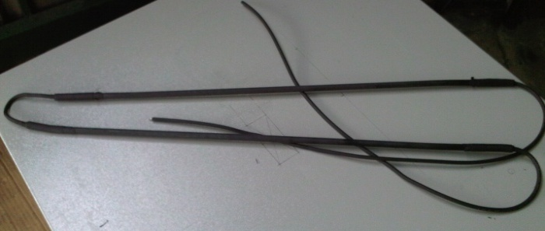
HEA002 | 90" usa straight heater |  | 2.29 | 105.8
HEA003 | 138" usa straight heater |  | 3.50 | 143.1
HEA004 | 47" USA Blower heater | USA Unit blower heater (220v-240v) | 1.20 | 66.3 |  | cl301,cl401,ce301
HEA005 | 55" USA Blower heater |  | 1.40 | 70.2 |  | cle301,cle401
HEA006 | 63" USA Blower heater |  | 1.60 | 81.7
HEA007 | 71" USA Blower heater |  | 1.80 | 86.6
HEA008 | 79" USA Blower heater |  | 2.00 | 95.2 |  | cl302,nt501
HEA009 | 87" USA Blower heater |  | 2.20 | 103.9 |  | cle302,nte501
HEA010 | 94" USA Blower heater |  | 2.40 | 112.6 |  | cl402,ce302,cle402
HEA011 | 102" USA Blower heater |  | 2.60 | 121.2
HEA012 | 110" USA Blower heater |  | 2.80 | 129.9 |  | cl303
HEA013 | 118" USA Blower heater |  | 3.00 | 138.5 |  | cle303
HEA014 | 125" USA Blower heater |  | 3.20 | 147.2
HEA015 | 133" USA Blower heater |  | 3.40 | 155.6 |  | cl403,nt502,ce303
HEA016 | 142" USA Blower heater |  | 3.60 | 164.5 |  | cle403,nte502
HEA017 | 149" USA Blower heater |  | 3.80 | 176.9
HEA018 | 157" USA Blower heater |  | 4.00 | 182.0
HEA019 | 164" USA Blower heater |  | 4.20 | 190.5 |  | cl404,nt632
HEA020 | 174" USA Blower heater |  | 4.40 | 199.1
HEA021 | 181" USA Blower heater |  | 4.60 | 204.8 |  | cle404
HEA022 | 189" USA Blower heater |  | 4.80 | 213.5 |  | nte802
HEA023 | 196" USA Blower heater |  | 5.00 | 226.0 |  | nt503
HEA024 | 204" USA Blower heater |  | 5.20 | 233.8
HEA025 | 213" USA Blower heater |  | 5.40 | 242.4 |  | cl405,nte503
HEA026 | 219" USA Blower heater |  | 5.60 | 251.1
HEA027 | 228" USA Blower heater |  | 5.80 | 257.5
HEA028 | 236" USA Blower heater |  | 6.00 | 268.4
HEA029 | 243" USA Blower heater |  | 6.20 | 277.1
HEA030 | 251" USA Blower heater |  | 6.40 | 285.7 |  | nt504,nt633
HEA031 | 258" USA Blower heater |  | 6.60 | 294.4
HEA032 | 266" USA Blower heater |  | 6.80 | 303.0 |  | nte504
HEA033 | 279" USA Blower heater |  | 7.10 | 317.5 |  | nte803
HEA033.1 | 180" heater (NT632)3ph | 3ph blower heater | 4.57 | 197.0
HEA033.2 | 212" heater (NT503)3ph |  | 5.38 | 220.8
HEA033.3 | 260" heater (NT504,NT633)3ph |  | 6.60 | 270.6
HEA034 | SF-CD (5.5m/220w/240v) USA | Coldroom door heater USA | 5.5m | 39.6
HEA035 | SF-CD (5.67m/220w/240v) USA |  | 5.67 | 49.5
HEA036 | SF-CD (6m/240w/240v) USA |  | 6.00 | 51.9
HEA037 | SF-CD (7m/280w/240v) USA |  | 7.00 | 59.4
HEA038 | SF-CD (8.5m/340w/240v) USA |  | 8.50 | 71.7
HEA039 | SF-CD (11m/440w/240v) USA |  | 11.00 | 94.0
HEA039.01 | DH-5.5m/220w/240v door heater | Door heater braided 120c | 5.5m/0.82a | 29.5
HEA039.02 | DH-5.67m/220w/240v door heater |  | 5.67/0.97a | 29.5
HEA039.03 | DH-6m/220w/240v door heater |  | 6/0.97a | 32.0
HEA039.04 | DH-6.3m/220w/240v door heater |  | 6/1.02a | 34.6
HEA039.05 | DH-7m/220w/240v door heater |  | 7/1.17a | 38.4
HEA039.06 | DH-8.5m/220w/240v door heater |  | 8.5/1.35a | 47.3
HEA039.07 | DH-11m/220w/240v door heater |  | 11/1.65a | 58.9
HEA039.08 | DHR-J-S door heater 8mm x 100m(65c~105c) | (40w 65c~105c, 0.5amp) | 100m | 662.6
HEA039.09 | DHS-J-S door heater 10mm x 100m(65c~105c)S/steel braider |  | 100m | 969.7
HEA039.7 | SF-DP (5m/200w/240v) USA |  | 5.00 | 45.8
HEA040.01 | DP (0.5m/20w/240v) USA | Drain pipe heater | 0.50 | 18.9
HEA040 | DP (1m/40w/240v) USA |  | 1.00 | 20.2
HEA040.1 | DP (1.5m/60w/240v) USA |  | 1.50 | 22.9
HEA041 | DP (2m/80w/240v) USA |  | 2.00 | 25.6
HEA041.1 | DP (2.5m/100w/240v) USA |  | 2.50 | 31.0
HEA042 | DP (3m/120w/240v) USA |  | 3.00 | 36.4
HEA042.1 | DP (3.5m/140w/240v) USA |  | 3.50 | 36.9
HEA042.2 | DP (4m/160w/240v) USA |  | 4.00 | 57.7
HEA042.3 | DP (4.5m/180w/240v) USA |  | 4.50 | 64.6
HEA043 | DP (5m/200w/240v) USA |  | 5.00 | 51.9
HEA043.01 | DP (5.5m/200w/240v) USA |  | 5.50 | 60.0
HEA043.1 | DP (6m/240w/240v) USA |  | 6.00 | 62.3
HEA043.2 | DP (6.5m/260w/240v) USA |  | 6.50 | 73.9
HEA043.3 | DP (7m/280w/240v) USA |  | 7.00 | 78.5
HEA043.4 | DP (7.5m/300w/240v) USA |  | 7.50 | 80.8
HEA043.5 | DP (8m/320w/240v) USA |  | 8.00 | 83.1
HEA044 | DP (100m/50w/240v) USA | Floor defrost heater | 100.00 | 1515.2
HEA046 | SIEMEN Temperature controller C/W terminal box F2000 | ~35c - 40c cut off temperature |  | 30.4
HEA047 | Drain pan heater (230v,125w) | 180c (0.9~0.09amp) |  | 81.5
HEA048 | Crankcase heater 52cm 35W | ZB15-29 |  | 61.2
HEA049 | Crankcase heater 57cm 40W | ZB38-48, ZFI23-39 |  | 61.3
HEA050 | Crankcase heater 72cm 60W | ZB58-114, ZFI50-81 |  | 67.4
HEA051 | Crankcase heater 102cm 70W | ZB130-220, ZFI96-140 |  | 75.1
HEA052 | 280L-100-220V-300W | ZB130-220, ZFI96-141 |  | 53.9
HEA053 | 280L-150-220V-300W | ZB130-220, ZFI96-142 |  | 59.3
HEA054 | 330L-150-220V-320W | ZB130-220, ZFI96-143 |  | 67.3
HEA055 | CAE301-A | ZB130-220, ZFI96-144 |  | 57.7
HEA056 | CAE302-A | ZB130-220, ZFI96-145 |  | 90.0
HEA057 | CAE303-A | ZB130-220, ZFI96-146 |  | 127.0
HEA058 | CAE301-B | ZB130-220, ZFI96-147 |  | 62.3
HEA059 | CAE302-B | ZB130-220, ZFI96-148 |  | 94.7
HEA060 | CAE303-B | ZB130-220, ZFI96-149 |  | 131.6
PRICE VALID : For intend order only and ex-factory at K.L price
*PRICE WILL BE CHANGE ON THE FINAL PAYMENT DUE TO THE CURRENCY RATE
*PLEASE EMAIL OR FAX OVER THE BANK IN SLIP
BANK ACC :HONG LEONG BANK BHD 36600016285 , PUBLIC BANK BHD 3119617816
BENEFICIARY :WELLER AIR-COND PARTS ENTERPRICE SDN BHD
Generated by computer

AC PARTS
DATE :28.7.26
ITEM CODE | AIR-COND PARTS | packing | (RM)
AC001 | 1 UF FAN CAPACITOR |  | 1.8
AC002 | 1.2 UF FAN CAPACITOR |  | 1.9
AC003 | 1.5 UF FAN CAPACITOR |  | 2.1
AC004 | 1.75 UF FAN CAPACITOR |  | 2.1
AC005 | 2 UF FAN CAPACITOR |  | 2.2
AC006 | 2.5 UF FAN CAPACITOR |  | 2.3
AC007 | 3 UF FAN CAPACITOR |  | 2.5
AC008 | 3.5 UF FAN CAPACITOR |  | 2.6
AC009 | 4 UF FAN CAPACITOR |  | 2.7
AC010 | 4.5 UF FAN CAPACITOR |  | 2.8
AC010.1 | 5 UF FAN CAPACITOR |  | 3.0
AC010.2 | 6 UF FAN CAPACITOR |  | 3.1
AC010.3 | 7.5 UF FAN CAPACITOR |  | 3.5
AC011 | 5 UF RUNNING CAPACITOR |  | 6.3
AC012 | 7.5 UF RUNNING CAPACITOR |  | 6.8
AC013 | 10 UF RUNNING CAPACITOR |  | 6.8
AC014 | 12.5 UF RUNNING CAPACITOR |  | 7.8
AC015 | 15 UF RUNNING CAPACITOR |  | 7.5
AC016 | 20 UF RUNNING CAPACITOR |  | 9.4
AC017 | 25 UF RUNNING CAPACITOR |  | 10.5
AC018 | 30 UF RUNNING CAPACITOR |  | 11.2
AC019 | 35 UF RUNNING CAPACITOR |  | 10.3
AC020 | 40 UF RUNNING CAPACITOR |  | 10.9
AC021 | 45 UF RUNNING CAPACITOR |  | 12.0
AC021.1 | 50 UF RUNNING CAPACITOR |  | 14.5
AC021.2 | 60 UF RUNNING CAPACITOR |  | 17.2
AC021.3 | 36-53 UF STARTING CAPACITOR |  | 8.1
AC022 | 53-64 UF STARTING CAPACITOR |  | 9.4
AC023 | 66-77 UF STARTING CAPACITOR |  | 11.3
AC024 | 72-86 UF STARTING CAPACITOR |  | 11.8
AC025 | 88-108 UF STARTING CAPACITOR |  | 12.5
AC026 | 108-130 UF STARTING CAPACITOR |  | 12.7
AC026.1 | 124-149UF STARTING CAPACITOR |  | 15.1
AC026.2 | 130-156 UF STARTING CAPACITOR |  | 15.6
AC027 | TERMINAL WIRE YL3HP |  | 14.5
AC030.1 | QD61(E)/AUTO universal (2-3hp floor stand ac) |  | 74.1
AC031 | QD-U08PGC(E) universal (1-3hp split type c/w indicator) |  | 45.2
AC032 | THERMOSTAT ( SIEMENS ) 711 |  | 10.7
AC032.1 | ATB - 132 THEMOSTAT |  | 9.4
AC032.2 | ATB - 133 THEMOSTAT |  | 9.4
AC032.3 | ATB - 134 THEMOSTAT |  | 9.4
AC033 | Drain Pipe Fitting 3/4"( aluminium) |  | 0.0
AC034 | Dunlop Cork Tape |  | 19.7
AC035 | Drain Pipe Fitting( aluminium) 1" |  | 23.4
AC036 | Drain Pipe Fitting(aluminium) 2" |  | 34.6
AC037 | HLR3800-6M4D STARTER RELAY |  | 40.4
AC038 | COIL CLEANER 4LITRES |  | 13.3
AC039 | COIL CLEANER 25LITRES |  | 64.6
AC040 | SOLVENT DEGRESER 4KGS |  | 46.3
AC040.01 | Air Cond System Flushing Set |  | 84.8
AC041 | LEAK LOCK DY-340 (50g) |  | 14.8
AC041.01 | TRU BLUE 50g |  | 40.0
AC042 | OIL PRESSURE GAUGE BRACKET 3HOLE |  | 26.1
AC043 | OIL PRESSURE GAUGE BRACKET 2HOLE (big) |  | 17.8
AC044 | OIL PRESSURE GAUGE BRACKET 2HOLE (small) |  | 15.4
AC045 | HI /LO PRESSURE CONTROL HLP830E DUAL AUTO |  | 52.7
AC046 | HI /LO PRESSURE CONTROL HLP830HLME DUAL MANUAL |  | 52.7
AC047 | HI / LO PRESSURE CONTROL HLP830HME AUTO/MANUAL |  | 52.7
AC048 | LOW PRESSURE CONTROL P506ME MANUAL RESET |  | 35.1
AC049 | LOW PRESSURE CONTROL P506E AUTO RESET |  | 35.1
AC050 | HI PRESSURE CONTROL P30ME MANUAL RESET |  | 35.1
AC051 | HI PRESSURE CONTROL P30DE AUTO RESET |  | 35.1
AC052 | OIL PRESSURE CONTROL HLD35T |  | 112.8
AC053 | OIL PRESSURE CONTROL HLD502 |  | 74.7
AC054 | HI-LO PRESSURE BRACKET |  | 2.9
AC055 | FLOW SWITCH HLS1001 |  | 86.5
AC056 | FLOW SWITCH HLS68 (MG1068) |  | 111.9
AC057 | 052 OIL FILTER |  | 15.9
AC058 | 163 OIL FILTER |  | 17.6
AC059 | COOLING TOWER DESCALER 25KG |  | 121.4
AC060 | COOLING TOWER WATER CONDITIONER 25KG |  | 457.1
AC061 | CONDENSER BRUSH |  | 5.1
AC062 | CLOTH TAPE 48mm x 7y |  | 2.9
AC062.1 | Aluminium foil tape 48mm x 30m |  | 9.9
AC062.2 | Aluminium foil tape 60mm x 30m |  | 12.4
AC062.3 | Aluminium foil tape 75mm x 30m |  | 14.9
AC062.4 | Masking tape yellow 24mm x40m |  | 3.3
AC062.5 | Masking tape yellow 35mm x 50m (48rolls per ctn) | wefoam | 4.4
AC062.6 | Masking tape orange 35mm x 50m (48rolls per ctn) | quickool | 5.0
AC062.7 | OPP tape 48mm x 80m | 0 | 0.0
AC062.8 | Stretch Film 2.2kg x 500mm | 0 | 22.1 | 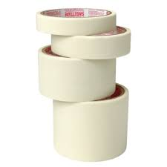
AC062.9 | Stretch Film 100mm | 0 | 4.2
AC062.10 | Wire tape 18mm x 7y | 0 | 0.7
AC062.11 | Stretch Film 500mm(Black) |  | 27.1
AC062.12 | Stretch Film 250mm(Black) |  | 31.7
AC062.13 | Stretch Film 100mm(Black) |  | 4.0
AC063 | Tombo 1935NA gasket (1.27m x 1.27m 0.5mmt) |  | 111.3
AC064 | Tombo 1935NA gasket (1.27m x 1.27m 0.8mmt) |  | 93.0
AC065 | Tombo 1935NA gasket (1.27m x 1.27m 1mmt) |  | 105.8
AC066 | Tombo 1935NA gasket (1.27m x 1.27m 1.5mmt) |  | 182.0
AC067 | Tombo 1995NA gasket (1.27m x 1.27m 1mmt) |  | 388.3
AC068 | Tombo 1995NA gasket (1.27m x 1.27m 1.5mmt) |  | 555.0
AC068.1 | AFM34 CNAF SHEET (1.5m X 1.5m *0.8mm) |  | 741.7
AC068.2 | AFM34 CNAF SHEET (1.5m X 1.5m *1mm) |  | 766.5
AC068.3 | AFM34 CNAF SHEET (1.5m X 1.5m *1.5) |  | 1088.3
AC069 | 9mm x 1ft x 2ft vibration sheet |  | 87.7
AC070 | 13mm x 1ft x 2ft vibration sheet |  | 110.8
AC071 | 19mm x 1ft x 2ft vibration sheet |  | 141.5
AC072 | 9mm x 4"x 4" vibration sheet |  | 7.9
AC073 | 13mm x 4"x 4" vibration sheet |  | 10.0
AC074 | 19mm x 4"x 4" vibration sheet |  | 12.8
AC074.1 | Airconditioner anti-vibration pad (4pcs) |  | 18.6
AC075.1 | Aluminium tape (SMALL ROLL) |  | 3.7
AC076 | SPRAY PUMP 0.8L (SX-573) |  | 8.0
AC077 | SPRAY PUMP 5L (SX-CS5A) |  | 35.6
AC079 | NYLON STICK (1M) |  | 12.5
AC080 | NYLON BRUSH (16MM) |  | 9.5
AC081 | COPPER BRUSH (16MM) |  | 10.7
AC083 | GM-320 INFRARED THERMOMETER -50c ~ +420C |  | 47.1
AC083.01 | GM816 ANEMOMETER |  | 69.9
AC084 | RTM-027 |  | 141.2
AC085 | RTM-26D |  | 97.9
AC086 | RTM-1S6 WELDING TORCH (25MM) |  | 74.2
AC087 | WT-10 DUAL WELDING TORCH C/W HOSE (60MM) |  | 121.5
AC088 | WT-9 SINGLE WELDING TORCH C/W HOSE (32MM) | Welding up to 32mm copper pipe | 94.5
AC089 | RTM-EP1S WELDING TORCH (32MM) | Welding up to 32mm copper pipe | ~
AC090 | OXYGEN CYLINDER 145G | 0 | 44.4
AC091 | MAPP GAS CHINA 14.1OZ | 0 | 17.2
AC092 | OX70 MAPP & OXYGEN BRAZING KIT | 0 | 289.9
AC093 | HCW-23P | Meduim Duty Welding andCutting Kit | ~
AC094 | HCW-34P | Heavy Duty Welding andCutting KIT | ~
AC095 | Clean bag PCC-1 | 0 | 107.5
AC096 | Clean bag PCC-2 | 0 | 32.5
0 | T 30 TEMPERATURE CONTROLLER (-30c - 0c) | 0 | 76.4
0 | T 15 TEMPERATURE CONTROLLER (-15c- t15c) | 0 | 76.4
AC097 | 1/3 BUTTERFLY OVERLOAD |  | 5.5
AC098 | 1/4 BUTTERFLY OVERLOAD |  | 5.5
AC098.1 | 1/5 BUTTERFLY OVERLOAD |  | 5.5
AC098.2 | 1/6 BUTTERFLY OVERLOAD |  | 5.5
AC098.3 | 1/8 BUTTERFLY OVERLOAD |  | 5.5
AC099 | 1/2 OVERLOAD |  | 6.4
AC100 | 3/8 OVERLOAD |  | 6.4
AC101 | 1/3 OVERLOAD |  | 6.4
AC102 | 1/4 OVERLOAD |  | 6.4
AC103 | 1/5 OVERLOAD |  | 6.4
AC104 | 1/6 OVERLOAD |  | 6.4
AC105 | 1/8 OVERLOAD |  | 6.4
AC106 | PTC RELAY 1PIN |  | 8.4
AC107 | PTC RELAY 2PIN |  | 8.4
AC108 | PTC RELAY 3PIN |  | 8.4
AC109 | PTC RELAY 4PIN |  | 8.4
AC110 | 3/8 COIL RELAY 3PIN (start cap) |  | 15.3
AC111 | 3/8 COIL RELAY 5PIN (run&start cap) |  | 19.9
AC112 | 1/2 COIL RELAY 3PIN (start cap) |  | 15.3
AC113 | 1/2 COIL RELAY 5PIN (run&start cap) |  | 19.9
AC114 | SOLID STATE RELAY |  | 10.5
AC115 | 5/16" x 3 |  | 2.8
AC116 | 5/16" x 3 1/2 |  | 3.3
AC117 | 5/16" x 4 |  | 3.7
AC118 | 5/16" x 5 |  | 4.0
AC119 | 5/16" x 6 | 0 | 4.5
AC120 | 3/8" x 3 |  | 4.0
AC121 | 3/8" x 4 |  | 4.5
AC122 | 3/8" x 5 |  | 5.2
AC123 | 3/8" x 6 |  | 5.8
AC124 | 3/8" x 7 |  | 7.0
AC125 | 3/8" x 8 |  | 8.3
AC126 | 3/8" x 10 |  | 11.3
AC127 | 3/8" x 12 |  | 12.3
0 | 0 |  | 0.0
0 | 0 |  | 0.0
0 | 0 |  | 0.0
0 | 0 |  | 0.0

RG TUBE
DATE :28.7.26
ITEM CODE | Model | (RM) | Picture
RG001 | RG-01FS STRAIGHT KIT SET (2.6mm) | 4.8
RG001.1 | RG-01FS STRAIGHT KIT c/w access (2.6mm) | 5.1
RG001.2 | JH-01TT copper coupling | 0.8
RG002 | RG-016T TEE KIT (2.6mm) | 5.7
RG003 | RG-01TN TEE KIT C/W NUT (2.6mm) | 7.6
RG004 | RG-01E ELBOW KIT c/w NUT (2.6mm) | 6.0
RG005 | RG-01FT FLEXIBLE TUBE /Meter (2.6mm) | 6.6
RG006 | RG-01H FLEXIBLE TUBE / ROLL 100METER (2.6mm) | 596.3
RG007 | RG-01SS c/w 1m tube,2sets straight kit | 18.1
RG008 | RG-01SE c/w 1m tube,straight kit,elbow kit. | 19.3
RG009 | RKY-162-09 Crimping Tool | 230.2
RG010 | RG-01CD Crimping Tool DIE | 94.6
RG011 | PPR Scissor 16mm-32mm | 30.6
RG012 | RG-02H (OIL HOSE) 5mm/1Meter | 9.8
RG013 | RG-02FS STRAIGHT KIT SET (5mm) 1/4" | 7.5
RG014 | RG-02E ELBOW KIT c/w NUT (5mm) 1/4" | 8.2
RG015 | RG-03FS STRAIGHT KIT SET (5mm) 3/8" | 8.2
RG016 | RG-03E ELBOW KIT c/w NUT (5mm) 3/8" | 9.6
RG017 | RG-02SE c/w 1m tube,straight kit,elbow kit 1/4" | 35.5
RG018 | RG-03SE c/w 1m tube,straight kit,elbow kit 3/8" | 37.6
RG019 | RG 0203 MOULD | 103.9
RG020 | MANUAL PLIER CIMPING RG03 | 349.1
RG021 | PLIER MEDIUM | 290.9
RG022 | PLIER BIG | 249.4
RG023 | TERMINAL CRIMPING MACHINE AM-10 | 2076.3 | 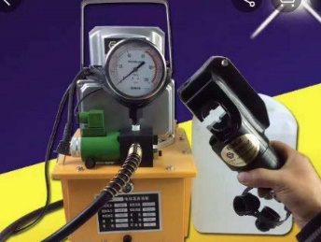
RG024 | HYDRAULIC CRIMPING TOOLS ZCO-300B | 561.2
#REF! | #REF! | #REF!

Suniso
DATE :28.7.26
ITEM CODE | SPECIFICATIONS | USAGE | (RM) | Picture
SU001 | SUNISO OIL SL 32 X 4 LITRES | for -15c ~ -40c (freezer) r 134a,r404a,r507c | ~ | 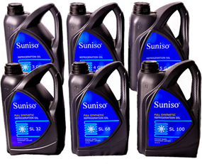
SU002 | SUNISO OIL SL 68 X 4 LITRES | for 0c(chiller) r 134a,r404a,r507c,r410a | ~
SU003 | SUNISO OIL SL 100 X 4 LITRES | for screw compressor low temp r22 | 297
SU004 | SUNISO OIL SL 170 X 4 LITRES | for screw compressor low temp r507 | 397
SU005 | 3GS X 1GAL SUNISO OIL | for -25c ~ -40c (freezer) r22 | ~
SU008 | 4GS X 1GAL SUNISO OIL | for 0c(chiller) r22 | ~
SU009 | SUNICE OIL SL 32 X 200 LITRES | for -15c ~ -40c (freezer) r 134a,r404a,r507c | 14,286
SU009.1 | SUNICE OIL SL 68 X 200 LITRES | for 0c(chiller) r 134a,r404a,r507c | 14,286
SU010 | Vacuum pump oil 1 litre | vaccum pump use | 26
SU011 | Vacuum pump oil 5 litre | vaccum pump use | 114
SU012 | SUNICE OIL SL 32 X 4 LITRES | for -15c ~ -40c (freezer) r 134a,r404a,r507c | 312 | 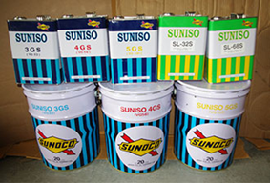
SU013 | SUNICE OIL SL 68 X 4 LITRES | for 0c(chiller) r 134a,r404a,r507c | 312
SU014 | SUNICE OIL SL 100 X 4 LITRES | for screw compressor low temp | ~
SU015.3 | SUNOCO OIL PV100 X 1 LITRE | for car ac r134a | 43
SU016 | 3GS X 4LIT SUNOCO OIL | for -25c ~ -40c (freezer) r22 | 110
SU017.1 | 3GS X 205LITS SUNISO OIL | for -25c ~ -40c (freezer) r22 | ~
SU019 | 4GS X 4LIT SUNOCO OIL | for 0c(chiller) r23 | 110
SU019.1 | 4GS X 205LITS SUNISO OIL | for 0c(chiller) r24 | ~
SU020 | PCO-01 | Oil charging pump (50ml ,200psi) | 250
SU021 | PCO-02 | Oil charging pump (75ml ,250psi) foot stand type | 457
SU022 | PCO-4 | Electric Oil charging pump | 1012
SU023 | PCV-2 VACUUM PUMP 1.5cfm | 1.5cfm | 229
SU024 | PCV-4 VACUUM PUMP 3cfm | 3cfm | 377
SU025 | PCV-6 VACUUM PUMP 4.5cfm | 4.5cfm | 437
SU026 | PCV-8 VACUUM PUMP 6.5cfm | 6.5cfm | 556
SU027 | PCV-10 VACUUM PUMP 8cfm | 8cfm | 639
SU028 | PCV-12 VACUUM PUMP 10cfm | 10cfm | 717
SU033 | 2PCV-10 VACUUM PUMP 8cfm 2stage | 3/4hp | 857
SU034 | 2PCV-12 VACUUM PUMP 10cfm 2stage | 1hp | 940
PRICE VALID : For intend order only and ex-factory at K.L price
*PRICE WILL BE CHANGE ON THE FINAL PAYMENT DUE TO THE CURRENCY RATE
*PLEASE EMAIL OR FAX OVER THE BANK IN SLIP
BANK ACC :HONG LEONG BANK BHD 36600016285 , PUBLIC BANK BHD 3119617816
BENEFICIARY :WELLER AIR-COND PARTS ENTERPRICE SDN BHD
COMPUTER PRINT GENERATE ONLY

Strip curtain
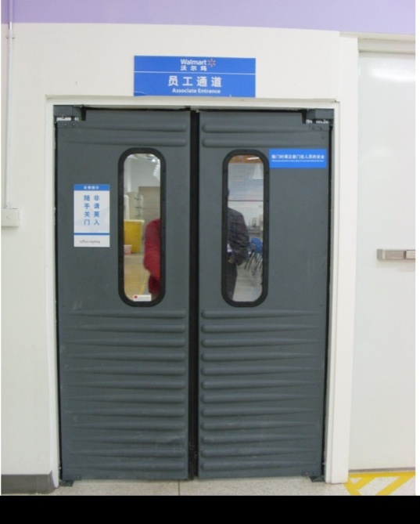
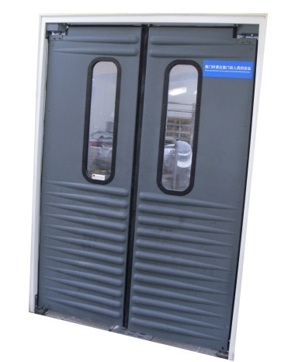
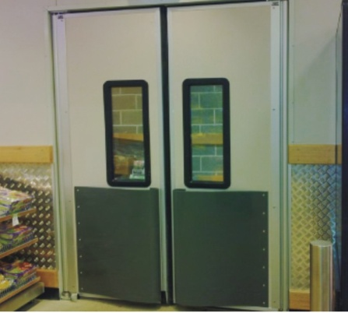
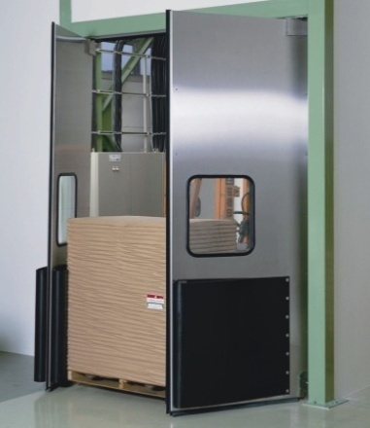
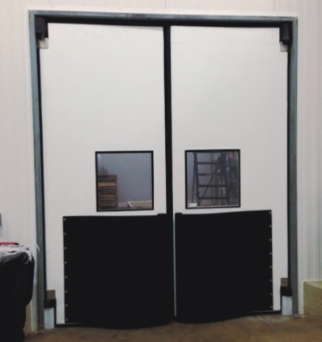
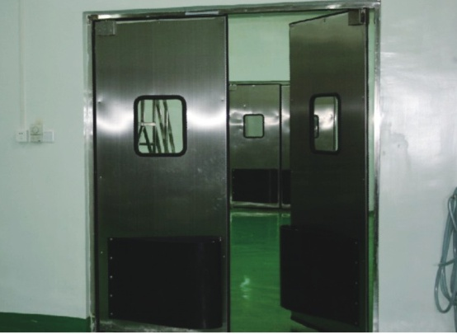
DATE :28.7.26
ITEM CODE | MODEL | APPLICATION | SIZE | (RM) | PICTURE
PVC001 | POLAR CLEAR CURTAIN STRIP (FREEZER) 8" X 50M X 2MM | -40C to +50C | 200MM*2MM*50M | 267
PVC002 | STANDARD CLEAR CURTAIN STRIP (CHILLER) 8" X 50M X 2MM | -15C to +50C | 200MM*2MM*50M | 244
PVC003 | POLAR RIBBED CURTAIN STRIP (FREZZER) 8" X 50M X 2MM | -40C to +50C | 200MM*2MM*50M | 279
PVC004 | ANTI INSECT RIBBED ORANGE CURTAIN STRIP (CHILLER) 8" X 50M X 2MM | -15C to +50C | 200MM*2MM*50M | 256
PVC005 | ANTI INSECT ORANGE CURTAIN STRIP (CHILLER) 8" X 50M X 2MM | -15C to +50C | 200MM*2MM*50M | 256
PVC005.1 | BLACK CURTAIN STRIP (CHILLER) 8" X 50M X 2MM | -15C to +50C | 200MM*2MM*50M | 256
PVC006 | STANDARD CLEAR CURTAIN STRIP (FREEZER) 12" X 50M X 3MM | -40C to +50C | 300MM*3MM*50M | 608
PVC007 | POLAR RIBBED CURTAIN STRIP (FREZZER) 12" X 50M X 3MM | -40C to +50C | 300MM*3MM*50M | 608
PVC007.1 | MAGNETIC CURTAIN 12" X 50M X 2MM | 0 | 0 | ~ | 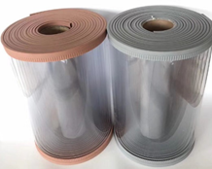
PVC007.2 | MAGNETIC CURTAIN 16" X 50M X 2MM | 0 | 0 | ~
PVC007.3 | MAGNETIC CURTAIN 18" X 50M X 2MM | 0 | 0 | ~
PVC007.4 | RUBBER (A) SHEET 2mm*100mm*1m | 0 | 0 | ~
PVC007.5 | RUBBER (B) SHEET 2mm*200mm*1m | 0 | 0 | ~
PVC007.6 | MAGNET BRACKET HANGER 1M | 0 | 0 | ~
PVC007.7 | PVC STRIP CURTAIN 10mm*1.1m*12m | 0 | 0 | 3021
PVC007.8 | Protection film 1.2m*500m*0.05mm | 0 | 0 | 592
PVC008 | S/S HANGER(1mm thickness x 1m) C/W NUTS | 6SETS CLIPS (200MM) | 1MM thick x 1M | 50
PVC009 | S/S HANGER(1mm thickness x 1.2m) C/W NUTS | 7SETS CLIPS (200MM) | 1MM thick x 1.2M | 55
PVC010 | S/Stell CLIPS (per pair) (150MM ) | 0 | 0 | 5
PVC011 | S/Stell CLIPS (per pair) (200MM) | 0 | 0 | 6
PVC011.1 | S/Stell CLIPS (per pair) (300MM) | 0 | 0 | 8
PVC012 | S/S HANGER(1.2mm thickness x 1m) C/W NUTS | 6SETS CLIPS (200MM) | 1.2MM thick x 1M | 55
PVC013 | S/S HANGER(1.2mm thickness x 1.2m) C/W NUTS | 7SETS CLIPS (200MM) | 1.2MM thick x 1.2M | 71
PVC014 | Mobile 201 s/steel bracket hanger 1M | 0 | 1M | 224
PVC015 | Mobile 201 s/steel bracket hanger 1.2M | 0 | 1.2M | 268
PVC016 | S/S HANGER(2mm thickness x 1m) C/W NUTS | 6SETS CLIPS (200MM) | 2MM thick x 1M | 94
PVC017 | S/Stell CLIPS (per pair) (200MM)1.2mm | 0 | 0 | 7
PVC018 | S/S HANGER(1mm thickness x 1m) C/W NUTS (new model) | 6SETS CLIPS (200MM) | 1MM thick x 1M | ~
PVC019 | S/S HANGER(1.2mm thickness x 1m) C/W NUTS (new model) | 6SETS CLIPS (200MM) | 1.2MM thick x 1M | ~
PVC020 | S/S HANGER(1.5mm thickness x 1m) C/W NUTS (new model) 304 s/steel | 0 | 0 | 89
PVC021 | AUTO SWITCH FOR WIND CURTAIN | 0 | 0 | 24
PVC022 | 200MM PANEL MUSHROOM HEAD 2-4" | 2"~4" PU PANEL | small type 60mm head | 6.0
PVC023 | 250MM PANEL MUSHROOM HEAD 4-5" | 4"~5" PU PANEL | 0 | ~
PVC024 | 300MM PANEL MUSHROOM HEAD 4-6" | 4"~6" PU PANEL | 0 | 7.1
PVC025 | TURNBUCKLE M12 | 0 | 0 | 4.1
PVC025.1 | 150MM * 80MM (M12) 2"-3" PU PANEL HANGER MUSHROOM | 2"~3" PU PANEL | 0 | 8.4
PVC025.2 | 200MM * 80MM (M12) 4"-6" PU PANEL HANGER MUSHROOM | 4"~6" PU PANEL | 0 | 10.0
PVC025.3 | 180MM HOOK HEAD MUSHROOM | FOR ALUMINIUM COOLING COIL | 0 | 7.1
PVC025.4 | 260MM HOOK HEAD MUSHROOM | 0 | 0 | 7.8
PVC026 | 140MM BLOWER HANGER S/STEEL 3" | 0 | 0 | 8.6
PVC027 | 170MM (M10) BLOWER HANGER S/STEEL 2"~4" | 0 | 0 | 10.4
PVC028 | 200MM (M10) BLOWER HANGER S/STEEL 5~6" | 0 | 0 | 11.7
#REF! | #REF! | #REF! | #REF! | #REF!
#REF! | #REF! | #REF! | #REF! | #REF!
#REF! | #REF! | #REF! | #REF! | #REF!
#REF! | #REF! | #REF! | #REF! | #REF!
#REF! | #REF! | #REF! | #REF! | #REF!
#REF! | #REF! | #REF! | #REF! | #REF!
#REF! | #REF! | #REF! | #REF! | #REF!
#REF! | #REF! | #REF! | #REF! | #REF!
#REF! | #REF! | #REF! | #REF! | #REF!
#REF! | #REF! | #REF! | #REF! | #REF!
PVC032 | FM-4009 air curtain (0.9m) | 1630m3/h | 900*175*210mm | 320.9
PVC033 | FM-4012 air curtain (1.2m) | 2500m3/h | 1200*175*210mm | 394.2
PVC034 | FM-4015 air curtain (1.5m) | 3580m3/h | 1500*175*210mm | 476.7
PVC035 | PH03HD dehumidifier | 0 | 3KG | 1286.8
PVC036 | PH06HD dehumidifier | 0 | 6KG | 1593.1
*PLEASE EMAIL OR FAX OVER THE BANK IN SLIP
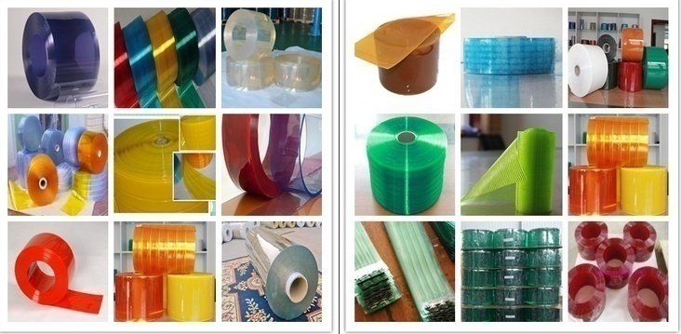
BANK ACC :HONG LEONG BANK BHD 36600016285 , PUBLIC BANK BHD 3119617816
BENEFICIARY :WELLER AIR-COND PARTS ENTERPRICE SDN BHD
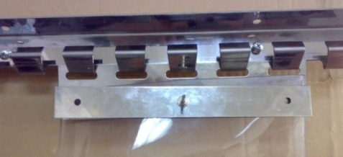

Generated by computer

LED
DATE :28.7.26
Item code | Model | Description | Material / Qty / Ctn | Size | (RM) | Photo
LED001.3 | 10W Cold Room LED |  |  |  | 20
LED001.4 | 20W Cold Room LED |  |  | 180*180*75mm | 37
LED001.6 | 30W Cold Room LED |  |  | 270*170*46mm | 71
LED001.7 | 40W Cold Room LED |  |  | 270*170*46mm | 86
LED001.8 | 55W Cold Room LED |  |  | 320*200*42mm | 128
LED003 | Led IP67-50W | Ip67 led flood light, AC90-265V, 50W | 6m height 120pcs led | 190*220*35mm(30m2) | 91
LED004 | Led IP67-100W | Ip67 led flood light, 6500k, 100W | 8m height 240pcs led | 240*280*43mm(40m2) | 130
LED005 | Led IP67-150W | Ip67 led flood light, 6500k, 101W | 10m height 360pcs led | 270*315*48mm(50m2) | 227
LED006 | Led IP67-200W | Ip67 led flood light, AC90-265V, 151W | 12m height 480pcs led | 296*345*46mm(60m2) | 281
LED006.01 | High shed light 100W | ip66 ,6500k,100w | 10m height,240pcs led | 290*151mm | 246
LED006.02 | High shed light 150W | ip66 ,6500k,150w | 15m height,360pcs led | 332*151mm | 363
LED006.03 | High shed light 200W | ip66 ,6500k,200w | 20m height,480pcs led | 380*165mm | 454
LED007 | COLD STORAGE ALARM |  | 6W | 600(L)*19.5(W)*13.5(H)mm | 111
#REF! | #REF! | 220v转380v变频电控箱 |  |  | #REF! | 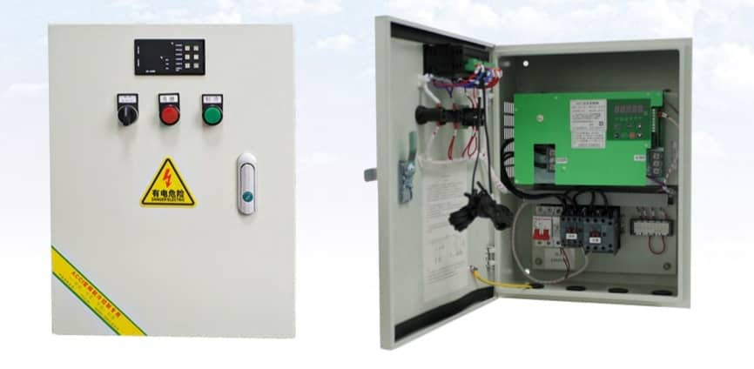
#REF! | #REF! | 220v转380v变频电控箱 |  |  | #REF!
#REF! | #REF! |  |  |  | #REF!
#REF! | #REF! |  |  |  | #REF!
LED010 | 净化车间专用灯 | 220V不防水款 |  |  | 93
LED011 | 净化车间专用灯 | 220v防水款 |  |  | 121
LED012 | ZKLED-EX-530 | 36W |  |  | 0
LED013 | ZKLED-EX-550 | 50W |  |  | 0
LED014 | ZKLED-EX-540 | 40W |  |  | 61
LED015 | ZKLED-EX-560 | 60W |  |  | 107
LED016 | ZKLED-EX-524 | 24W |  |  | 0
LED017 | ZKLED-EX-536 | 36W |  |  | 0
BANK ACC :HONG LEONG BANK BHD 36600016285 , PUBLIC BANK BHD 3119617816
BENEFICIARY :WELLER AIR-COND PARTS ENTERPRICE SDN BHD

pipe clamps
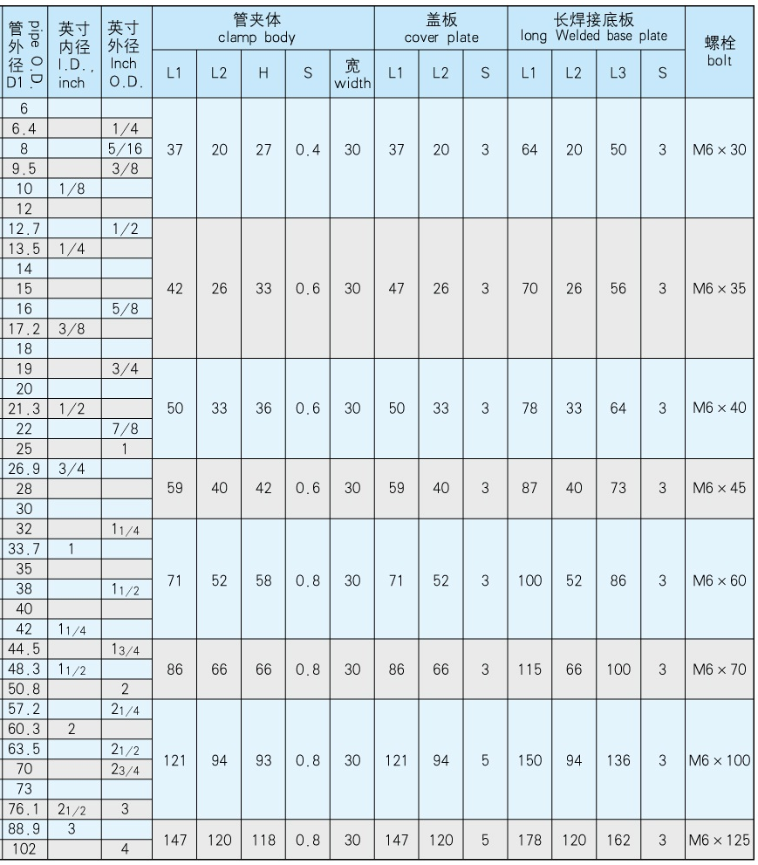
DATE :28.7.26
ITEM | SIZE OD | Pipe OD (mm) | Description | (RM) | Product Pictures
PC001 | 1/4" | 6.4 | Light pipe clamps (welding base) | 3.5
PC002 | 3/8" | 9.5 |  | 3.5
PC003 | 1/2" | 12.7 |  | 4.3
PC004 | 5/8" | 16 |  | 4.3
PC005 | 3/4" | 19 |  | 5.3
PC006 | 7/8" | 22 |  | 5.3
PC007 | 1 1/8" | 28 |  | 6.3
PC008 | 1 3/8" | 35 |  | 7.8
PC009 | 1 5/8" | 42 |  | 7.8
PC010 | 2 1/8" | 55 |  | 13.3
PC011 | 2 5/8" | 70 |  | 13.3
PC012 | 3 1/8" | 80 |  | 17.5
PC013 | 1/4" | 6.4 | Light pipe clamps with long base and nut M6 | 4.2
PC014 | 3/8" | 9.5 |  | 4.1
PC015 | 1/2" | 12.7 |  | 4.1
PC016 | 5/8" | 16 |  | 5.7
PC017 | 3/4" | 19 |  | 6.5
PC018 | 7/8" | 22 |  | 6.5
PC019 | 1 1/8" | 28 |  | 7.3
PC020 | 1 3/8" | 35 |  | 9.0
PC021 | 1 5/8" | 42 |  | 9.0
PC022 | 2 1/8" | 55 |  | 14.2
PC023 | 2 5/8" | 70 |  | 17.5
PC024 | 3 1/8" | 80 |  | 22.5
PC19 | 3/8" | 9.5 | Heavy pipe clamps (welding base) | 6.7
PC20 | 1/2" | 12.7 |  | 6.7
PC21 | 5/8" | 16 |  | 6.7
PC22 | 3/4" | 19 |  | 10.0
PC23 | 7/8" | 22 |  | 9.8
PC24 | 1 1/8" | 28 |  | 9.8
PC25 | 1 3/8" | 35 |  | 11.5
PC26 | 1 5/8" | 42 |  | 11.5
PC27 | 2 1/8" | 55 |  | 21.3
PC28 | 2 5/8" | 70 |  | 21.3
PC29 | 3 1/8" | 80 |  | 40.9
PC30 | 3/8" | 9.5 | Heavy pipe clamps with long base and nut | 7.7
PC31 | 1/2" | 12.7 |  | 7.7
PC32 | 5/8" | 16 |  | 7.7
PC33 | 3/4" | 19 |  | 11.5
PC34 | 7/8" | 22 |  | 11.3
PC35 | 1 1/8" | 28 |  | 11.3
PC36 | 1 3/8" | 35 |  | 13.2
PC37 | 1 5/8" | 42 |  | 13.2
PC38 | 2 1/8" | 55 |  | 24.5
PC39 | 2 5/8" | 70 |  | 24.5
PC40 | 3 1/8" | 80 |  | 47.1
PC025 | 3/8" | 9.5 | Light pipe clamps (welding base,nylon material) 120c | 5.0
PC026 | 1/2" | 12.7 |  | 6.7
PC027 | 5/8" | 16 |  | 6.7
PC028 | 3/4" | 19 |  | 8.3
PC029 | 7/8" | 22 |  | 8.3
PC030 | 1 1/8" | 28 |  | 10.0
PC031 | 1 3/8" | 35 |  | 11.7
PC032 | 1 5/8" | 42 |  | 11.7
PC033 | 2 1/8" | 55 |  | 16.7
PC034 | 2 5/8" | 70 |  | 16.7
PC034.1 | 1/2" | 12.7 | Light pipe clamps (long base,nylon material) 120c | 9.2
PC034.2 | 5/8" | 16 |  | 9.2
PC034.3 | 3/4" | 19 |  | 10.0
PC034.4 | 7/8" | 22 |  | 10.0
PC034.5 | 1 1/8" | 28 |  | 13.3
PC035 | 34-37mm pipe holder | 0 | pipe holder | 0.6
PC036 | 44-48mm pipe holder | 0 |  | 0.7
PC037 | 50-54mm pipe holder | 0 |  | 0.8
PC038 | 56-60mm pipe holder | 0 |  | 0.8
PC039 | 63-69mm pipe holder | 0 |  | 0.9
PC040 | 73-78mm pipe holder | 0 |  | 1.0
PC041 | 82-88mm pipe holder | 0 |  | 1.1
*PRICE WILL BE CHANGE ON THE FINAL PAYMENT DUE TO THE CURRENCY RATE
*PLEASE EMAIL OR FAX OVER THE BANK IN SLIP
BANK ACC :HONG LEONG BANK BHD 36600016285 , PUBLIC BANK BHD 3119617816
BENEFICIARY :WELLER AIR-COND PARTS ENTERPRICE SDN BHD
Generated by computer

Dixell & Thermometer
DATE :28.7.26
ITEM CODE | Model No. | Function | (RM) | PICTURE
DOT001 | MX32S-16P00-F (chiller 1hp-2hp) | Smart Cellar Controller (Comp 16amp cut in/out only with defrost timer) | ~ | 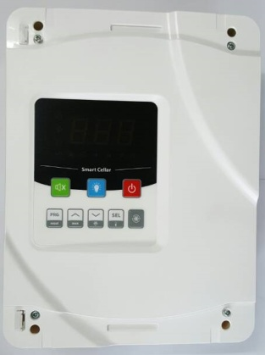
DOT002 | MX32SD-30P00 (chiller with defrost heater 1hp-3.5hp) | Smart Cellar Controller (Comp 30amp cut in/out with defrost 16amp) | 939
DOT003 | MX32SR-16P00 (frezzer 1hp-2hp) | Smart Cellar Controller (Comp 16amp cut in/out with defrost 16amp,evaporator fan 10a and 2 auxillary 10a & 16a) | 1043
DOT004 | MX32SR-30P00 (frezzer 1hp-3hp) | Smart Cellar Controller (Comp 30amp cut in/out with defrost 16amp,evaporator fan 10a and 2 auxillary 10a & 30a) | 1078
DOT005 | DPR-TH01-ET*3M TEMP PROBE | Temp sensor probe | 9
DIX001 | XR02CX | Setting range： -40℃ ~ 110℃ Setting、Sensing accuracy： 1℃ ,Compressor 20(8)A/250VAC, Compressor Sensor：One NTC sensor, LED :RED ,chiller | 119
DIX002 | XR06CX | Setting range： -40℃ ~ 110℃ Setting、Sensing accuracy： 1℃ ,Compressor 20(8)A/250VAC, Compressor Sensor：TWO NTC sensor, LED :RED | 166
DIX002.1 | XR30CX-5R1C1 DIXELL DIGITAL CONTROLLER | Setting range： -40℃ ~ 110℃ Setting、Sensing accuracy： 1℃ ,Compressor 20(8)A/250VAC, Compressor Sensor：One NTC sensor, LED :RED ,chiller | 226
DIX003 | PJEZS0H010 CAREL DIGITAL CONTROLLER CHILLER | Setting range： -40℃ ~ 110℃ Setting、Sensing accuracy： 1℃ ,Compressor 20(8)A/250VAC, Compressor Sensor：One NTC sensor, LED :RED ,chiller | 107
DIX004 | PJEZC0H010 CAREL DIGITAL CONTROLLER FREZZER | Setting range： -40℃ ~ 110℃ Setting、Sensing accuracy： 1℃ ,Compressor 20(8)A/250VAC, Compressor Sensor：TWO NTC sensor, LED :RED | 161
DIX005 | NTC015HP00 CAREL SENSOR 1.5M | 0 | 14
0 | XT121C-5C1TU | 2 stage digital controller (230v) c/w 1.5m ntc probe (FOR WATER CHILLER) | ~
0 | XT151D-5CITU | 3 stage digital controller (230v) c/w 1.5m ntc probe (FOR WATER CHILLER) | ~
0 | XT160D-5C0TU | 4 stage digital controller (230v) c/w 1.5m ntc probe (FOR WATER CHILLER) | ~
DIX007 | XR64CX-5N1C3 | 230vac , 3pcs 1.5m ntc probe ,to control (1) compressor ,(1) fan ,(2) defrost. | 385
0 | XR72CX-0N0C8 | 12vac, 2pcs 1.5m ntc probe ,to control (2) compressor ,(1) fan ,(1) defrost. | ~
0 | XLR470-500C1 | 230vac , 4pcs 1.5m ntc probe ,to control (2) compressor ,(2) fan ,(2) defrost. | ~
THE001 | T-01B-1 SQUARE TYPE | Range -40~+40C,capillary length 1.5M ANALOG THERMOMETER | 19
THE002 | RT-01A ROUND TYPE | Range -40~+40C,capillary length 1.5M,plastic case,size 4" ANALOG THERMOMETER | ~ | 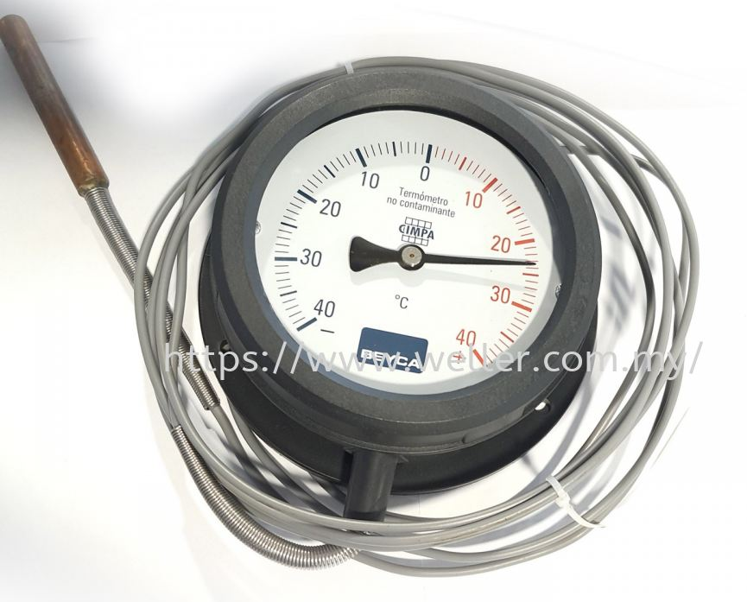
THE002.1 | 2460 THERMOMETER (100mm round) | Range -40~+40C,capillary length 1.5M,plastic case,size 4" ANALOG THERMOMETER | 65
THE003 | W-9000T Digital Thermometer (9 3/4" x 5 5/8") on celcius |  | 148
THE004 | W-9002TC Digital Thermometer/Humidity (9 3/4" x 5 5/8") on celcius |  | 256
THE005 | THERMOMETER industrial 20mm -30+50C |  | 64
THE006 | THERMOMETER industrial 40mm -30+50C |  | 64
THE007 | THERMOMETER industrial 63mm -30+50C |  | 65
THE008 | THERMOMETER industrial 80mm -30+50C |  | 68
THE009 | THERMO MANOMETER l 63mm connection 80mm dial 0+120C , 0-6bar |  | 55
THE010 | ELECTRIS PRESSURE GAUGE 100mm |  | 497
THE011 | PT560 PRESSURE TRANSMITTER 24VDC (4-20mA) |  | 303
SF001 | SF-121L | Chiller (cut in/out ) | 53
DIX010 | YK-282 | CHILLER | 72
DIX011 | YK-283 | FREEZER | 94
DIX012 | YK-301B | CHILLER (C/W ALARM) | 91
DIX013 | YK-302 | CHILLER + HUMIDIFIER (C/W ALARM) | 111
DIX014 | YK202 | CHILLER + LIGHT | 63
DIX015 | YK-205 | FREEZER + LIGHT | 91
DIX016 | YK-252 | CHILLER + 1 LIGHT | 63
DIX017 | YK-253 | CHILLER + 2 LIGHT | 75
DIX018 | YK-604 | CHILLER + LIGHT | 72
DIX019 | YK-605 | FREEZER | 87
DIX020 | YK-615 | FREEZER + DOOR TRIP | 91
DIX021 | FX32PR-00 | DIGITAL LP/HP CONTROLLER | 262
DIX022 | DP506.930A | Low pressure sensor -1 ~ 9bar | 328
DIX023 | DPR-PT01-P6D050L*3M | TEMP PROBE | 66
DIX024 | FX3D-A1 | DIGITAL TEMP CONTROL | 164
DIX025 | DPR-TH01-ET*2M | TEMP PROBE | 0
DIX026 | DPR-TH02-ET | TEMP PROBE | 15
DIX027 | FX3T-TC-A1 | DIGITAL TEMP CONTROL | 223
DIX028 | FX3Q-RTD-A1 | DIGITAL TEMP CONTROL | 243
DIX029 | DPR-RT01-P6D50L*3M | TEMP PROBE | 66
DIX030 | CX9230C-M,DOTECH | Smart Chiller Controller | 819
DIX031 | CX9230D-V,DOTECH | Smart Chiller Controller | 983
DIX032 | DP514-P115 | PRESSURE SENSOR | 151
DIX033 | DP514-P150 | PRESSURE SENSOR | 151
DIX034 | DPR-TH01-S4D40L*1/4*2M | TEMP PROBE | 59
DIX035 | DPR-TH02-P6D50L*2M | TEMP PROBE | 98
DIX036 | 24069001 | TRANSFORMER | 66
DIX037 | FX32S-16P00-F | FX32S REFRIGERATION CONTROLLER | 111
DIX038 | DPR-TH01-ET*3M | TEMP PROBE | 7
DIX039 | FX32SB-16P00-F | 0 | 151
DIX040 | DPR-TH01-ET-3M | TEMP PROBE | 7
DIX041 | FX3S-00+TH1-ET | DIGITAL TEMP CONTROL | 92
DIX042 | FX3D-00+TH1-ET | DIGITAL TEMP CONTROL | 105
DIX043 | FX3T-TC-00 | DIGITAL TEMP CONTROL | 164
DIX044 | FX3Q-RTD-00 | DIGITAL TEMP CONTROL | 180
DIX045 | FX32SR-16P00-F | 4 RELAY,CLOCK | 262
DIX046 | DPR-TH01-ET*3M | TEMP PROBE | 7
DIX047 | DPX200-HL-00-BAR | DIGITAL PRESSURE SWITCH (LP/HP) | 518
DIX048 | DPX200-HL-R4-BAR | DIGITAL PRESSURE SWITCH (LP/HP) | 590
DIX049 | MX32S-16P00-F | SMART CELLAR CONTROLLER | 151
DIX050 | DPR-TH01-ET-*3M | TEMP PROBE | 7
DIX051 | MX32SD-30P00 | SMART CELLAR CONTROLLER | 426
DIX052 | DPR-TH01-ET*3M | TEMP PROBE | 7
DIX053 | MX32SR-16P00 | SMART CELLAR CONTROLLER | 524
DIX054 | DPR-TH01-ET*3M | TEMP PROBE | 7
DIX055 | MX32SR-30P00 | SMART CELLAR CONTROLLER | 557

Elitech
DATE :28.7.26
ITEM CODE | Model No. | Function | Main selling Points | Bench product | Application | (RM) | Wiring diagram | Picture
ELI001.1 | STC-1000HX | Refrigeration and heating（set by program） |  |  |  | 53.3
ELI003 | STC-8080A+ | Refrigeration, defrost w/o alarm | Refrigeration,defrost,temperature upper/lower limit setting, ease of operation | w/o alarm | cold cabinet, cold storage, kitchen refrigerator/freezer | 70.4
ELI003.1 | STC-8080AX | 0 |  |  |  | 61.4
ELI004 | STC-8080A (12V) | Refrigeration, defrost | Refrigeration,defrost,temperature upper/lower limit setting, ease of operation | w/o alarm | cold cabinet, cold storage, kitchen refrigerator/freezer | 86.8
ELI006 | TPM-910+ | LED display | Waterproof level:IP65 |  | Display cases,cold cabinet,etc | 35.2
ELI007 | TPM-900+ | LED display | Smart and elegant appearance |  | Display cases,cold cabinet,etc | 35.2
ELI008 | TPM-10F | LED display | plug-in connection,with long life time,reliable performance |  | beverage cabinet,display cases,etc | 9.5
ELI009 | TPM-30 | LED display | Pre-positive battery installation,ease of replacement |  | beverage cabinet,display cases,etc | 19.6
ELI010 | ST-2 | Thermometer | dual way temperature measuring,big LCD display |  | water temperature measuring for aquarium | 14.9
ELI17 | DS-1 | Thermometer | dual way temperature measuring,easy placement,temperature switch between ℃ and ℉ |  | home,office,etc | 12.5
ELI011 | WT-1B | plug in thermometer | temperature range: -50℃--+300℃, switch between ℃ and ℉ |  | foodstuff and chemical industry | 19.9
ELI012 | BT-2 | thermometer and hygrometer | dual way temperature and one way humidity,big LCD display,with elegant appearance |  | home,office,etc | 54.8
ELI013 | BT-3 | thermometer and hygrometer | dual way temperature and one way humidity,big LCD display,with elegant appearance |  | home,office,etc | 62.6
ELI014 | DT-3 | thermometer and hygrometer | display dual way temperature and one way humidity |  | home,office,etc | 46.9
ELI26 | LT-2 | thermometer and hygrometer | display one way temperature and one way humidity,with elegant appearance |  | home,office,etc | 27.4
ELI36.1 | DR-210A New | Two ways temperature and humidity data recorder, Thermal or stylus printer optional, Big recording capacity, Big LCD | Temperature measuring range: -50℃~+120℃ Sensor: NTC | DR-400A New | widely used in industries of foodstuff, medicine, cold-chain transportation and other industries accordant with HACCP system certification. Lab, | 871.6
0 | MTC-6020 New | Easy operation Water pump Fan Double screen Alarm | Measuring range:-50℃~+50℃ Sensor:2 NTC | MTC-6020 | mainly suitable for cold storage control | 103.9
ELI015 | DHC-100+ New | Humidification Dehumidification Humidity sensor Pass word lock High measuring accuracy | Measuring range: 0%RH~99%RH Controlling range: 10%RH~99%RH | DHC-100+ | Widely used in humidifier, dehumidifier, air humidity adjuster, humidity control equipment | 151.5
ELI016 | ETC-902 | Temperature measuring and display ℃/ ℉optional Refrigeration/heating optional Front panel waterproof level IP 65 Password lock Copy card （The function is the same as Eliwell IC902) | Measuring range：-50℃～99℃ (-58℉~210℉) NCT sensor 1pc | ETC-902 | Suitable for display cabinet, freezing cabinet etc. | 68.9
ELI017 | ETC-902 (12V) | Temperature measuring and display ℃/ ℉optional Refrigeration/heating optional Front panel waterproof level IP 65 Password lock Copy card （The function is the same as Eliwell IC902) | Measuring range：-50℃～99℃ (-58℉~210℉) NCT sensor 1pc | ETC-903 | Suitable for display cabinet, freezing cabinet etc. | 67.0
ELI018 | ETC-961 | Temperature measuring and display ℃/ ℉optional Refrigeration/heating optional Front panel waterproof level IP 65 Password lock Copy card （The function is the same as Eliwell IC961) | Measuring range：-50℃～99℃ (-58℉~210℉) NCT sensor 1pc |  | Suitable for display cabinet, freezing cabinet etc. | 70.4
ELI019 | ETC-974A | Temperature measuring and display ℃/ ℉optional NTC/PTC Optional Front panel waterproof level IP 65 Password lock Copy card （the function is the same as EliwelI ID974) | Measuring range： NTC:–50～110℃ (-58...230℉) PTC:–55～140℃ (-67...284℉) NCT sensor： 2pc | ETC-974 | Suitable for display cabinet, freezing cabinet etc. | 78.2
ELI020 | ETC-974 (12V) | Temperature measuring and display ℃/ ℉optional NTC/PTC Optional Front panel waterproof level IP 65 Password lock Copy card （the function is the same as EliwelI ID974) | Measuring range： NTC:–50～110℃ (-58...230℉) PTC:–55～140℃ (-67...284℉) NCT sensor： 2pc | ETC-974 | Suitable for display cabinet, freezing cabinet etc. | 95.2
ELI021 | SENSOR DIGITAL THERMOSTAT | 0 |  |  |  | 9.8
ELI021.1 | ECB-1000P | CHILLER 1ph |  |  |  | 367.5
ELI021.2 | ECB-1000PLUS | CHILLER/FREEZER C/W comp,defrost,fan,light,alarm with high power |  |  |  | 469.3
ELI021.3 | ECB-1000PLUS wifi | CHILLER/FREEZER C/W comp,defrost,fan,light,alarm with high power |  |  |  | 547.5
ELI022 | RCW-800TDE | Smart wireless data logger -dual temperature channel 20000 points,with alarm output |  |  |  | 491.7
ELI023 | RCW-800THE | Smart wireless data logger -dual temperature ,humidity channel 20000 points,with alarm output |  |  |  | 482.1
ELI026 | LTC-1626 | CHILLER DIGITAL c/w ligth on/off, power on/off (137.5mm*33mm) |  |  |  | 93.9
ELI027 | LTC-1815 | FREZZER DIGITAL c/w light on/off(137.5mm*33mm) |  |  |  | 133.0
ELI027.1 | LTC-100 | SPLIT CONTROLLER |  |  |  | 305.1
ELI027.2 | SF-203F DIGITAL TEMPERATURE CONTROLLER |  |  |  |  | 88.4
ELI027.3 | SF-205 DIGITAL TEMPERATURE CONTROLLER |  |  |  |  | 137.7
ELI027.4 | SF-128SW DIGITAL TEMPERATURE CONTROLLER |  |  |  |  | 241.0
ELI027.5 | SF-487 DIGITAL TEMPERATURE CONTROLLER |  |  |  |  | 436.2
ELI027.6 | SF-486 DIGITAL TEMPERATURE CONTROLLER |  |  |  |  | 803.5
ELI027.7 | SF-415P DIGITAL TEMPERATURE CONTROLLER |  |  |  |  | 160.7
ELI028 | ECS-02CX | replace dixell XR-02 |  |  |  | 64.8
ELI028.1 | ECS-06CX | replace dixell XR-06 |  |  |  | 86.0
ELI029 | ECS-974NEO | 0 |  |  |  | 66.5
ELI030 | LogEt 8 PTE Data Logger | Measurement: -85°C ~ 150°C Range: -121°F ~ 302°F |  |  |  | 352.0
ELI031 | LogEt 8 UTE Data Logger | Measurement: -196°C ~ 150°C Range: -320.8°F ~ 302°F |  |  |  | 430.2
ELI032 | ECS-2012neo | 50c ~ -150c |  |  |  | 211.2
ELI033 | ECB-LS230WIFI(5HP) | 0 |  |  |  | 758.1
ELI034 | CK-H10 Water chiller controller | 0 |  |  |  | 274.4
ELI035 | ECS-2180neo A(16.10.05.05) Digital controller | use for comercial refrigerator c/w lamp on/off,door switch,alarm,16amp comp,10a defrost,5a fan |  |  |  | 93.9 |  | 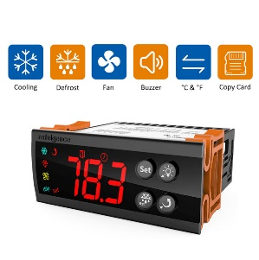
ELI036 | MS-1000S DIGITAL MANIFOLD | 0 |  |  |  | 899.5
ELI036.1 | MS-2000S DIGITAL MANIFOLD | 0 |  |  |  | 2151.0
ELI036.2 | MS-4000S DIGITAL MANIFOLD | 0 |  |  |  | 2424.8
ELI037 | VGW-760 VACUUM GAUGE | 0 |  |  |  | 648.5
ELI038 | PG-30pro digital meter | 0 |  |  |  | 223.8
ELI039 | ILD-200 LEAK DETECTOR | 0 |  |  |  | 1031.9
ELI040 | LS-200 CONTROLLER C/W CIRCUIT AND TRANSFORMER | 0 |  |  |  | 315.2
ELI044 | LMC-100F+ Refrigeration scale | 0 |  |  |  | 342.3
WITH STOCK
PRICE VALID : For intend order only and ex-factory at K.L price
*PLEASE EMAIL OR FAX OVER THE BANK IN SLIP
BANK ACC :HONG LEONG BANK BHD 36600016285 , PUBLIC BANK BHD 3119617816
BENEFICIARY :WELLER AIR-COND PARTS ENTERPRICE SDN BHD
Generated by computer

ICE CUBE
DATE :28.7.26 |  |  |  |  |  |  |  | -15% warrantly 1year on parts only | 1year warrantly on all parts include site visit KLANG VALLEY | warrantly 2years on parts and site services KLANG VALLEY | dealer -10% | dealer -15% | dealer -20%
ITEM CODE | MODEL | capacity comp hp | up(column) | straight(row) | QUANTITY OF ICE CUBE | CAPACITY KG/DAY | EXTERNAL DIMENSION mm (H*W*L) | ice evaporator only (RM) | (RM) ICE CUBE MACHINE warrantly 1year | (RM) ICE CUBE MACHINE warrantly 2 years | 1year installment cw warrantly 18months | 2year installment | 3years installment | PICTURE
ICE006 | QICM-150 (150kgs) 13*12 | 1hp (4.35amp)13*12 | 13 | 12 | 156 | 150 | 1630*560*800 | 713.8 | 5,476 | 6,442 | 631.6 | 383.5 | 325.4
ICE007 | QICM-180 (180kgs) 13*14 | 1.25hp (4.6amp)13*14 | 13 | 14 | 182 | 175 | 1730*560*800 | 832.3 | 6,046 | 7,113 | 697.4 | 423.4 | 359.3
ICE009 | QICM-250 (250kgs) 13*18 | 1.5hp (5.7amp)13*18 | 13 | 18 | 234 | 225 | 1730*760*800 | 1575.8 | 7,415 | 8,724 | 855.3 | 519.3 | 440.6
ICE011 | QICM-350 (350kgs) 19*18 | 2hp (8.12amp)19*18 | 19 | 18 | 342 | 328 | 1930*760*800 | 2257.2 | 9,241 | 10,871 | 1065.8 | 647.1 | 549.1
ICE012 | QICM-400 (400kgs) 22*18 | 2.5hp (11amp)22*18 | 22 | 18 | 396 | 380 | 1930*760*800 | 2666.7 | 10,039 | 11,811 | 1157.9 | 703.0 | 596.5
ICE012.1 | QICM-450 (450kgs) 22*20 | 3hp (11.8amp)22*20 | 22 | 20 | 440 | 422 | 1930*760*802 | 2518.5 | ~ | ~ | ~ | ~ | ~
ICE013 | QICM-480 (480kgs) 24*20 | 3hp 3ph (5.1amp) 24*20 | 24 | 20 | 480 | 461 | 1930*760*800 | 3232.3 | 12,864 | 15,134 | 1483.7 | 900.8 | 764.4
ICE013.01 | QICM-500 (500kgs) 14*18*2 |  |  |  |  |  | 1890*780*1320 | ~ | 15,743 | 18,522 | 1815.8 | 1102.5 | 935.4
ICE013.02 | QICM-760 (760kgs) 19*20*2 |  |  |  |  |  | 2050*780*1320 | ~ | 19,280 | 22,682 | 2223.7 | 1350.1 | 1145.6
ICE015 | ICY BOARD WZB1115 | 0 | 0 | 0 | 0 | 0 | 0 | 295.4
ICE016 | SOLENOID VALVE FDF-6A | 0 | 0 | 0 | 0 | 0 | 0 | 61.3
ICE017 | FCD-270A INLET VALVE |  |  |  |  |  |  | 17.3
ICE017.1 | FPD-360L INLET VALVE |  |  |  |  |  |  | 21.4
ICE018 | FDP-90A 排水阀 (Drain Valve) |  |  |  |  |  |  | 37.4
ICE018.1 | WATER PRESSURE CONTROL VALVE 3/4" |  |  |  |  |  |  | 213.9
ICE019 | 300P 储冰桶 (ICE BIN) |  |  |  |  |  |  | 1136.4
ICE020 | 500P 储冰桶 (ICE BIN) |  |  |  |  |  |  | 1262.6
ICE020.01 | 600P 储冰桶 (ICE BIN) |  |  |  |  |  |  | 1641.4
ICE021 | 2000P 储冰桶 (ICE BIN) c/w top cover |  |  |  |  |  |  | 3030.3
ICE021.01 | 2500P 储冰桶 (ICE BIN) c/w top cover |  |  |  |  |  |  | 4292.9
ICE022 | 新款200P内胆 (New model Inner) |  |  |  |  |  |  | 171.1
ICE024 | 500P 内胆 (Inner)(760mm) |  |  |  |  |  |  | 270.9
ICE025 | 2000P 内胆 (Inner)(1220mm) |  |  |  |  |  |  | 513.4
ICE025.01 | 2500P 内胆 (Inner)(1500mm) |  |  |  |  |  |  | 656.0
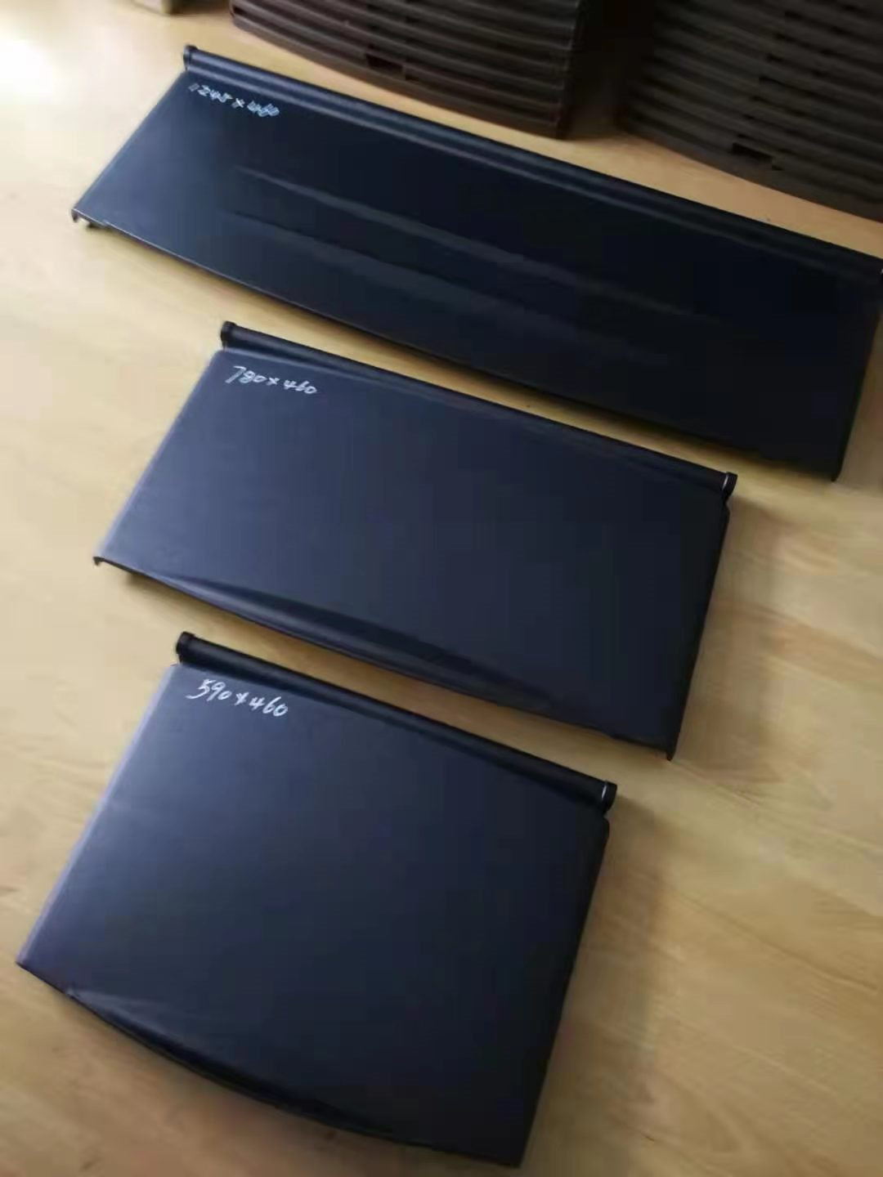
ICE026 | 500P T型水槽 Sink 700*240 |  |  |  |  |  |  | 29.9
ICE027 | 2000P T型水槽 (Sink) |  |  |  |  |  |  | 213.9
ICE028 | 新款200P门框 (New model Door Frame) |  |  |  |  |  |  | 142.6
ICE029 | 300P 门板 Door Panel 590*460 |  |  |  |  |  |  | 65.6
ICE030 | 500P 门板 Door Panel 780*460 |  |  |  |  |  |  | 79.9
ICE031 | 2000P 门板 Door Panel 1245*460 |  |  |  |  |  |  | 171.1
ICE032 | 4*6 进水管 (1.5m) Inlet pipe |  |  |  |  |  |  | 17.8
ICE033 | 4*4 进水管 (1m) Inlet pipe |  |  |  |  |  |  | 16.0
ICE034 | 10"寸单级净水透明过滤器(pp) (Single-stage water purification transparent filter) |  |  |  |  |  |  | 57.0
ICE035 | 小号冰铲 (Small Ice Shovel) |  |  |  |  |  |  | 8.9
ICE036 | 中号冰铲 (Medium Ice Shovel) |  |  |  |  |  |  | 14.3
ICE037 | 大号冰铲 (Big Ice Shovel) |  |  |  |  |  |  | 26.7
ICE038 | 直+弯波纹排水管 (Straight+elbow corrugated drainage pipe) |  |  |  |  |  |  | 8.0
ICE039 | 4/6分接头 Connector |  |  |  |  |  |  | 5.0
ICE040 | T型硅胶管(套) Silicone Tube |  |  |  |  |  |  | 45.5
ICE041 | 蛇皮(PVC)排水管(卷) Snakeskin Drain Pipe |  |  |  |  |  |  | 427.8
ICE042 | 挂钩 Hook |  |  |  |  |  |  | 1.4
ICE043 | SWITCH BUTTON |  |  |  |  |  |  | 2.1
0 | CASING (5/8HP-1.5HP)150 -250KGS |  |  |  |  |  |  | 0.0
0 | CASING (2HP-3HP)350 -500KGS |  |  |  |  |  |  | 0.0
0 | WHP02700RCV |  |  |  |  |  |  | 0.0
0 | SG167UV |  |  |  |  |  |  | 0.0
0 | SG184SV |  |  |  |  |  |  | 0.0
0 | HSM165V3UDZA |  |  |  |  |  |  | 0.0
0 | HSM215V3UDZ |  |  |  |  |  |  | 0.0
0 | WHP09800RCV |  |  |  |  |  |  | 0.0
0 | WHP0980DCV |  |  |  |  |  |  | 0.0
0 | DTH488LC3-3ph |  |  |  |  |  |  | 0.0

hardware
DATE :28.7.26
ITEM CODE | MODEL | DIMENSION (MM) | (RM) | PICTURE
HAR001 | TABLE LIFT 350KGS (1.3M HIGH) | 910*500*52 | 1412
HAR002 | TABLE LIFT 800KGS (1.5M HIGH) | 1220x610x60 | 2471
HAR003 | SYPIIK 2T PALLET TRUCK 550*1150mm DOUBLE PU WHEEL | 915mm(L)*520mm(W) | 939
HAR004 | SYPIIK 2T PALLET TRUCK 520*915mm DOUBLE PU WHEEL | 1100mm(L)*540mm(W) | 918
HAR005 | SYPIIK 2.5T PALLET TRUCK 685*1220mm DOUBLE PU WHEEL | 1220mm(L)*685mm(W) | 1045
HAR006 | PALLET TRUCK SCALE 2T 550*1150MM |  | 2753
HAR007 | SYG-1020 HAND STACKER 1T/2M/fork size (300-680)*1070mm |  | 3248
HAR007.1 | SDYG1030 SEMI ELECTRIC STACKER (1TON / 3M) |  | 8542
HAR007.2 | SDYG1035 SEMI ELECTRIC STACKER (1TON / 3.5M) |  | 8542
HAR008 | SDYG1520 SEMI ELECTRIC STACKER |  | 8895
HAR009 | SDYG2016 SEMI STACKER /2T/1.6M |  | 8895
HAR009.01 | ELE15-4M ELECTRIC PALLET TRUCK 4M height |  | 10865
HAR010 | SYP-Y DRUM TRUCK |  | 897
HAR011 | SDYG-Z 0513 SELF -LIFT STACKER (500kgs) |  | 9743
HAR011.01 | SDYG-Z 1016 SELF -LIFT STACKER (1ton) |  | 12708
HAR012 | SYG-Q 0415MINI HAND STACKER 400KG 1.5m |  | 2093
HAR013 | PALLET TRUCK PU WHEEL 74*70 |  | 28
HAR014 | PALLET TRUCK PU WHEEL 180*50 |  | 45
HAR015 | SMA-M5.5 ALUMINIUM LIFT |  | 9419
HAR016 | SMA-M7.5 ALUMINIUM LIFT |  | 11362
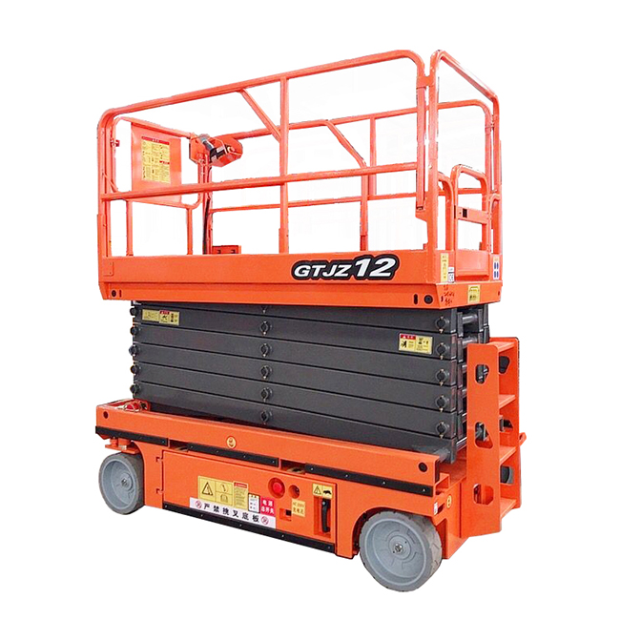
HAR017 | GTW-2-12 ELETRIC ALUMINIUM LIFT |  | 19135
HAR017.01 | GTJZ12-320KGS Self propelled scissor lift |  | 58280
#REF! | #REF! |  | #REF!
#REF! | #REF! |  | #REF!
#REF! | #REF! |  | #REF!
#REF! | #REF! |  | #REF!
#REF! | #REF! |  | #REF!
#REF! | #REF! |  | #REF!
HAR018 | 3" pp castor wheel black |  | 6
HAR019 | 3" pp castor wheel adjustable black |  | 6
HAR020 | 3" pp castor wheel adjustable c/w stopper black |  | 9
HAR020.1 | 4" pp castor wheel adjustable |  | 7
HAR020.2 | 5" pp castor wheel adjustable |  | ~
HAR020.3 | 4" pp castor wheel adjustable c/w stopper |  | 9
HAR020.4 | 5" pp castor wheel adjustable c/w stopper |  | ~
HAR021 | 60F heavy duty castor wheel |  | 49 | 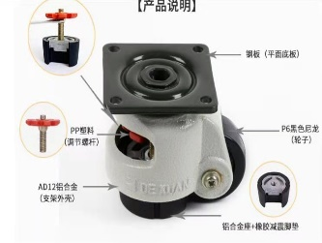
HAR022 | 80F heavy duty castor wheel |  | 67
HAR023 | 100F heavy duty castor wheel |  | 86
HAR024 | 4"HD pu castor wheel adjustable |  | 42 |  | 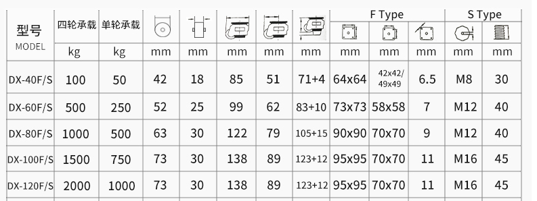
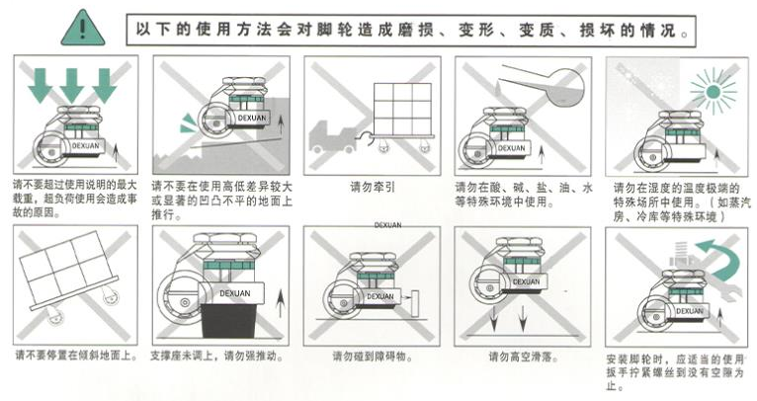
HAR025 | 5"HD pu castor wheel adjustable c/w stopper |  | 63
HAR026 | 3" Wheel Size zinc plating steel housing |  | 16
HAR027 | Wheel size in 4"(100X32mm) |  | 19
HAR028 | Wheel size in 5"(125X38mm) |  | 28
HAR029 | Wheel size in 9.4"(235X45mm) |  | 47
HAR040 | HHK-8 (9ton) |  | 320
HAR041 | HHK-8B (11ton) |  | 380
HAR042 | HHK-15 (13ton) |  | 831
HAR043 | DIE SET A |  | 199
HAR044 | HHJG-100 |  | 1069
HAR045 | HHM-60 (31TON) Hydraulic punch tool |  | 712
HAR046 | HHM-70 (35TON) Hydraulic punch tool |  | 910
HAR047 | HHM-80 (50TON) Hydraulic punch tool |  | 3523
HAR048 | HHYG-10250S (10ton)(diameter 70mm*36mm) |  | 602
HAR049 | HHYG-10300S (10ton)(diameter 70mm*36mm) |  | 681
HAR050 | HHYG-20250S (20ton)(diameter 80mm*45mm) |  | 768
HAR051 | HHYG-20300S (20ton)(diameter 80mm*45mm) |  | 974
HAR052 | HHB-630B |  | 1741
HAR053 | HHB-630B-II (380V/3PH/1.5KW) |  | 2652
HAR054 | HHB-630C |  | 1425
HAR055 | HHB-630F |  | 1947
HAR056 | HHB-630B-1 |  | 3024
HAR057 | HHB-700S |  | 887
HAR058 | HHB-800B |  | 641
HAR059 | HHW-2J |  | 784
HAR060 | HHM-200W |  | 697
HAR061 | DIE SET SQUARE |  | 285
HAR062 | DIE SET SQUARE |  | 518
HAR063 | DIE SET SQUARE |  | 1169
HAR064 | DIE SET SQUARE |  | 222
HAR065 | DIE SET SQUARE |  | 345
HAR066 | DIE SET SQUARE |  | 288
HAR067 | DIE SET SQUARE |  | 504
HAR068 | DIE SET ROUND |  | 0
0 | HH-I |  | 85
0 | HH-II |  | 53
0 | HH-III |  | 109
0 | HH-IV |  | 109
0 | SPG100 |  | 142
0 | SPG60 |  | 133
0 | GA7001 |  | 40
0 | GA7002 |  | 81
0 | SOV700 |  | 142
0 | MF2RCT |  | 304
0 | RH2M |  | 74
0 | TPH2M |  | 148
HAR069 | OXYGEN REGULATOR |  | 73
HAR069.1 | NITROGEN REGULATOR |  | 394
HAR070 | WELDING TORCH SMALL H01-6 |  | 51
HAR071 | WELDING TORCH BIG G01-30 |  | 81
HAR072 | J1Z-FF07-10 Electric Drill |  | 130
HAR073 | J1Z-FF-13 Electric Impact Drill |  | 186
HAR074 | J1Z-FF-16 Electric Drill |  | 186
HAR075 | DCJF15(TYPE A) Cordless Sabre Saw |  | 466
HAR076 | DCJZ10-10(TYPE B) Cordless Driver Drill |  | 316
HAR077 | DCJZ09-10(TYPE B)Cordless Driver Drill |  | 295
HAR078 | DCPL5(TYPE C) Cordless Screwdriver |  | 119
HAR079 | DCPL02-5(TYPE B) Cordless Screwdriver |  | 109
HAR080 | Z1C-FF02-20 Drill |  | 259
HAR081 | Z1C-FF05-26 Hamme Drill |  | 363
HAR082 | Z1C-FF03-26 Hamme Drill |  | 295
HAR083 | Z1C-FF-38 Hamme Drill |  | 684
HAR084 | S1M-FF03-100A Angle Grinder |  | 124
0 | S1J-FF02-10 Die Grinder |  | 98
0 | S1N-FF-120X100 Grinding Polisher |  | 409
0 | S1P-FF03-180 Electric Rotary Hammer |  | 347
0 | M1R-FF-12 Wood Router |  | 466
0 | J1G-FF03-355 Electric Cut-off Machine |  | 549
0 | J1X-FF-255 Electric Mitre Saw |  | 813
HAR085 | Q1F-FF-32 Electric Blower |  | 145
HAR086 | M1Q-FF-85 Jig Saw |  | 311
HAR087 | ET65/380V 4HP/3KW 8KGJAGUAR COMPRESSOR |  | 2466
HAR088 | HET65/380V 4HP/3KW 12.5KGJAGUAR COMPRESSOR |  | 4455
HAR088.01 | HET90/380V 10HP/3KW 12.5KGJAGUAR COMPRESSOR |  | 9117
HAR088.02 | Air dryer ED-10FC |  | 4455
HAR088.03 | RECEIVER TANK 0.6M2 * 13KGS |  | 3087
HAR088.04 | 3HP 220V AIR COMPRESSOR |  | 1554
HAR089 | 3KW/380V SEWO cut-off machines |  | 704
HAR090 | M3025/380V SEWO Grinders |  | 746
HAR091 | 6inch jaw vice |  | 228
HAR092 | 8inch jaw vice |  | 259
HAR093 | Z4120/380V INDUSTRIAL TYPE RILLING MACHINE |  | 2901
HAR094 | PLIER SMALL |  | 207
HAR095 | PLIER MEDIUM |  | 228
HAR096 | PLIER BIG |  | 249
HAR097 | END CAP 8" |  | 29
HAR098 | END CAP 10" |  | 45
HAR099 | 8TON HYDRAULIC JET |  | 122
HAR100 | KM42-M10 Medium Duty Swivel Type 75x32mm |  | 14
HAR101 | KM44-M10 Medium Duty Brake Type 75x32mm |  | 17
HAR102 | KE-300-P plastic push cart 60cm*90cm |  | 180
HAR103 | KE-300-S Steel push cart 60cm*90cm |  | 214
HAR104 | 8*80 S/STEEL BOLT |  | 2
HAR105 | 8*25 STEEL GALVANISE BOLT |  | 0
HAR106 | 6*30 STEEL GALVANISE BOLT |  | 0
HAR107 | M8*9 NUT |  | 0
HAR108 | M6*3.8 NUT |  | 0
HAR109 | RING 8*25*1.5mm |  | 0
HAR110 | RING 6*20*1.5mm |  | 0
0 | 16ft * 3 * 9 yellow/white |  | 0
0 | 13.5ft * 4 * 8 blue/red cw papan |  | 0
0 | 8',7 8",8.5' * 4 * 12',9' blue/red |  | 0
0 | 6 6" * 4 * 10' , 9' blue/red (ada papan) |  | 0
HAR118 | ROOFING MACHINE 762MM PROFILE |  | 39886
HAR119 | Steel stripe type spiral duct machine cw plasma and mould |  | 82600
HAR120 | W11G-2X1000 Electric rolling machine |  | 6707
HAR121 | Electric reel machine |  | 4942
HAR122 | Hydraulic press brake WC67K-63T/2500 CW CNC CYBELEC CYBTOUCH 8 |  | 72767

Vaccum pump
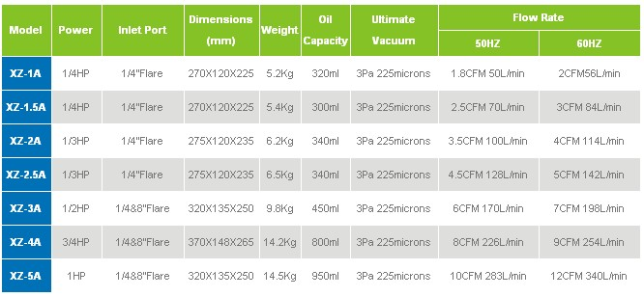
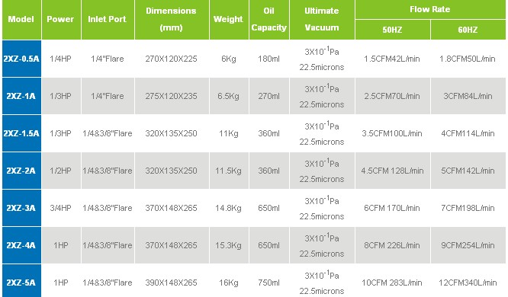
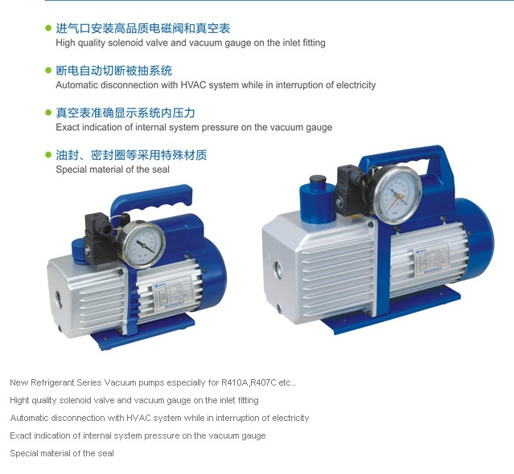
DATE :28.7.26
ITEM CODE | Model | CFM (L/Min) | (RM) | Single Stage Vacuum Pump
VAC001 | XZ-1A VACUUM PUMP | 1.8cfm 50l/min | ~ | 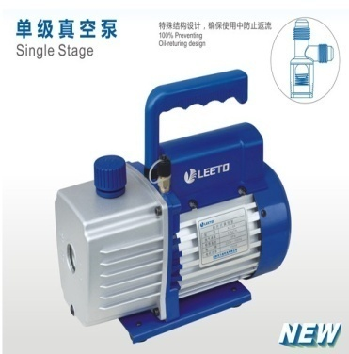
VAC002 | XZ-1.5A VACUUM PUMP | 2.5cfm 70l/min | 252
VAC003 | XZ-2A VACUUM PUMP | 3.5cfm 100l/min | 333
VAC004 | XZ-2.5A VACUUM PUMP | 4.5cfm 128l/min | 371
VAC005 | XZ-3A VACUUM PUMP | 6cfm 170l/min | ~
VAC006 | XZ-4A VACUUM PUMP | 8cfm 226l/min | ~
0 | XZ-5A VACUUM PUMP | 10cfm 283l/min | ~
VAC008 | 2XZ-2A Dual Stage Vacuum Pump | 4.5cfm 128l/min | ~
VAC009 | 2XZ-3A Dual Stage Vacuum Pump | 6cfm 170l/min | ~
VAC010 | 2XZ-4A Dual Stage Vacuum Pump | 8cfm 226l/min | ~
0 | 2XZ-5A Dual Stage Vacuum Pump | 10cfm 283l/min | ~
0 | XZ-1AN Vacuum Pump(New Ref Gas) | 1.8cfm 50l/min | 285 | 
VAC013 | XZ-1.5AN Vacuum Pump(New Ref Gas) | 2.5cfm 70l/min | 351
VAC014 | XZ-2AN Vacuum Pump(New Ref Gas) | 3.5cfm 100l/min | 469
0 | XZ-3AN Vacuum Pump(New Ref Gas) | 6cfm 170l/min | ~
0 | XZ-4AN Vacuum Pump(New Ref Gas) | 8cfm 226l/min | ~
0 | XZ-5AN Vacuum Pump(New Ref Gas) | 10cfm 283l/min | ~
VAC020 | PC-125A CONDENSATE PUMP | Water flow rate: 125L/h,60W,Tank 1.8L,4M | ~
VAC021 | PC-320A CONDENSATE PUMP | Water flow rate: 320L/h,20W,TANK 1.8L,6M | ~
VAC022 | PC-40B CONDENSATE PUMP | Water flow rate: 40L/h at zero head,40L/H,10M | 193
*PLEASE EMAIL OR FAX OVER THE BANK IN SLIP
BANK ACC :HONG LEONG BANK BHD 36600016285 , PUBLIC BANK BHD 3119617816
BENEFICIARY :WELLER AIR-COND PARTS ENTERPRICE SDN BHD
COMPUTER PRINT GENERATE ONLY

